Conversion
This spreadsheet has the ability to filter. All barcodes are locked into their current cells.
 |  |  | APPENDIX B: Current-to-New NDC Number and Barcode Product Walkacross
Line | List Number (Not Changing) | Catalog Number (Not Changing) | Current NDC Number (E.g. 0409-7372-XX) | Current Material Number | Current Barcode (Do Not Delete in database) | Product Description | New NDC Number (E.g. 0990-XXXX-XX) | New Material Number | New Barcode | Implementation Date
1 | 07984-23 | 0798423 | 0409-7984-23 | 079840433 | 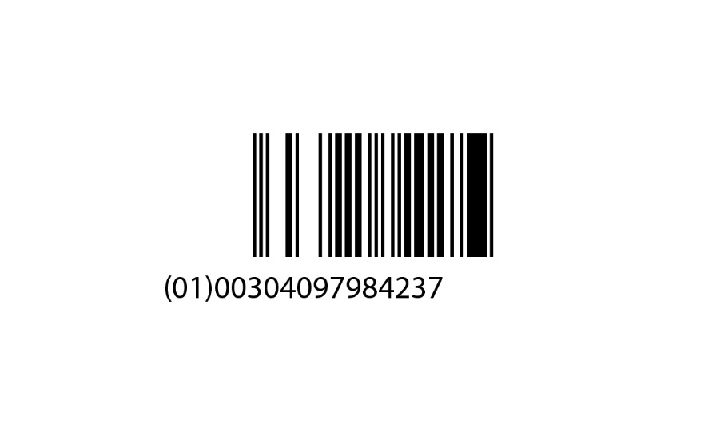 Will be provided upon conversion | 0.9% Sodium Chloride Injection, USP, 100 mL | 0990-7984-23 | 079840454 | TBD | COMPLETED - Late June 2019
2 | 07372-62 | 0737262 | 0409-7372-62 | 073720463 | 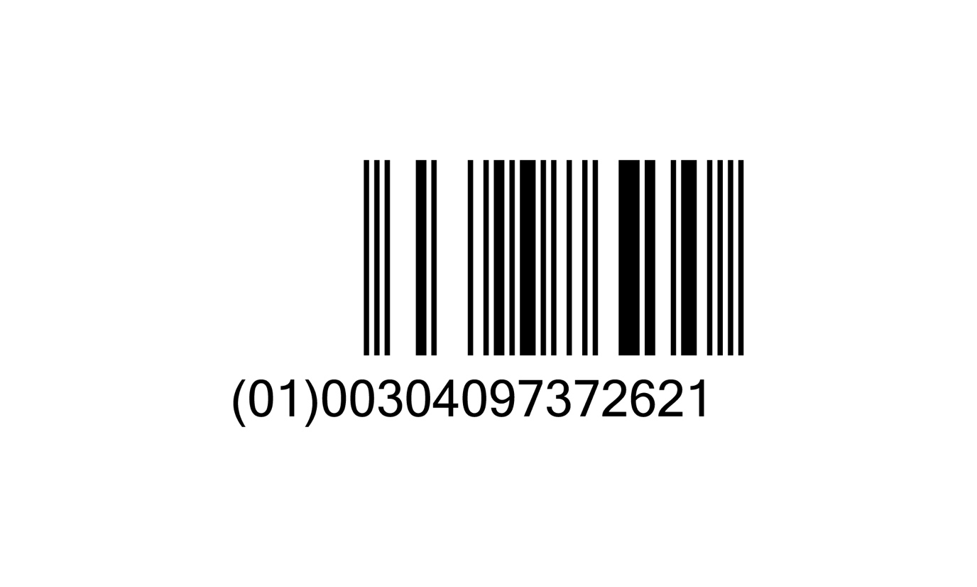 | Ionosol™ MB and 5% Dextrose Injection (Multiple Electrolytes and 5% Dextrose Injection Type 1, USP), 250 mL | 0990-7372-62 | 073720453 |  | COMPLETED - Early July 2019
3 | 07983-02 | 0798302 | 0409-7983-02 | 079830463 | 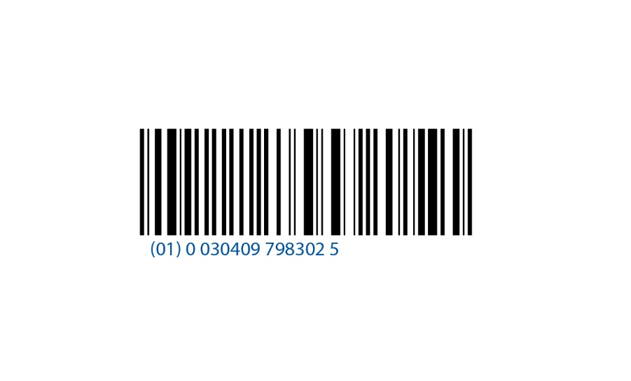 Will be provided upon conversion | 0.9% Sodium Chloride Injection, USP, 250 mL | 0990-7983-02 | 079830456 | TBD | COMPLETED - Mid August 2019
4 | 07075-26 | 0707526 | 0409-7075-26 | 070750499 | 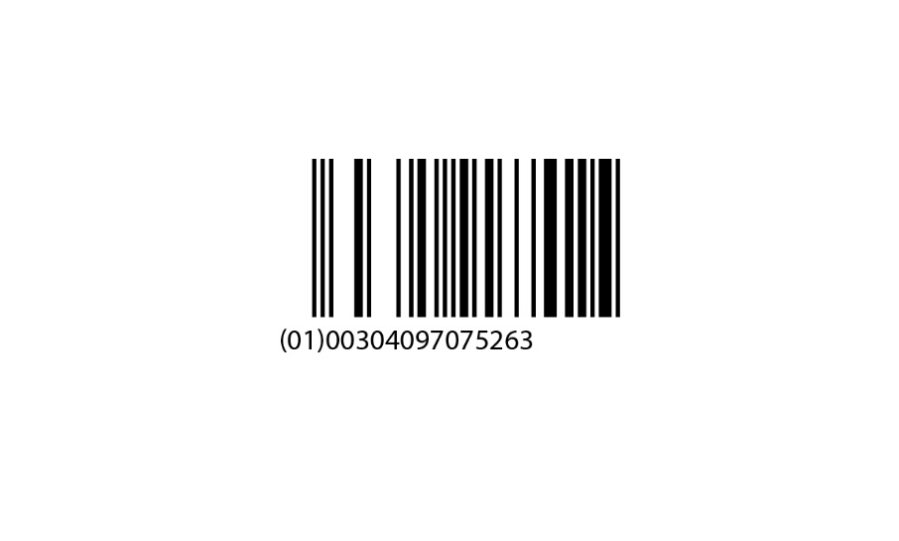 Will be provided upon conversion | Potassium Chloride Injection, 20 mEq/100 mL | 0990-7075-26 | 070750453 | 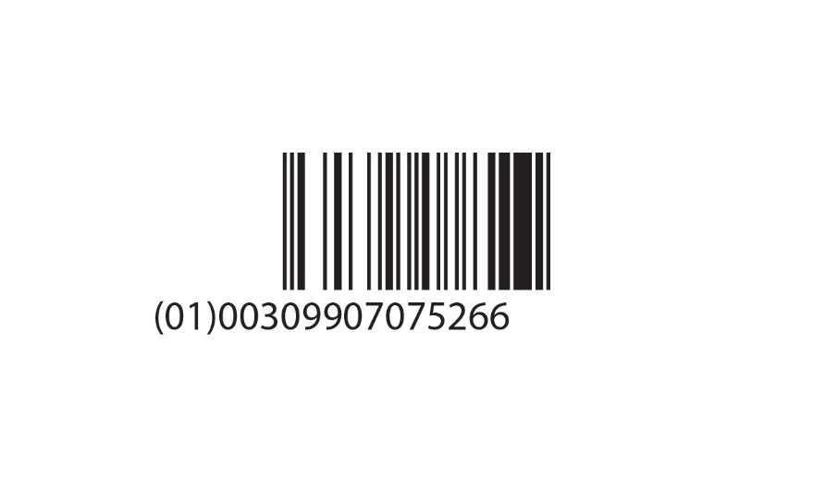 TBD | COMPLETED - Late July 2019
5 | 07930-02 | 0793002 | 0409-7930-02 | 079300463 | 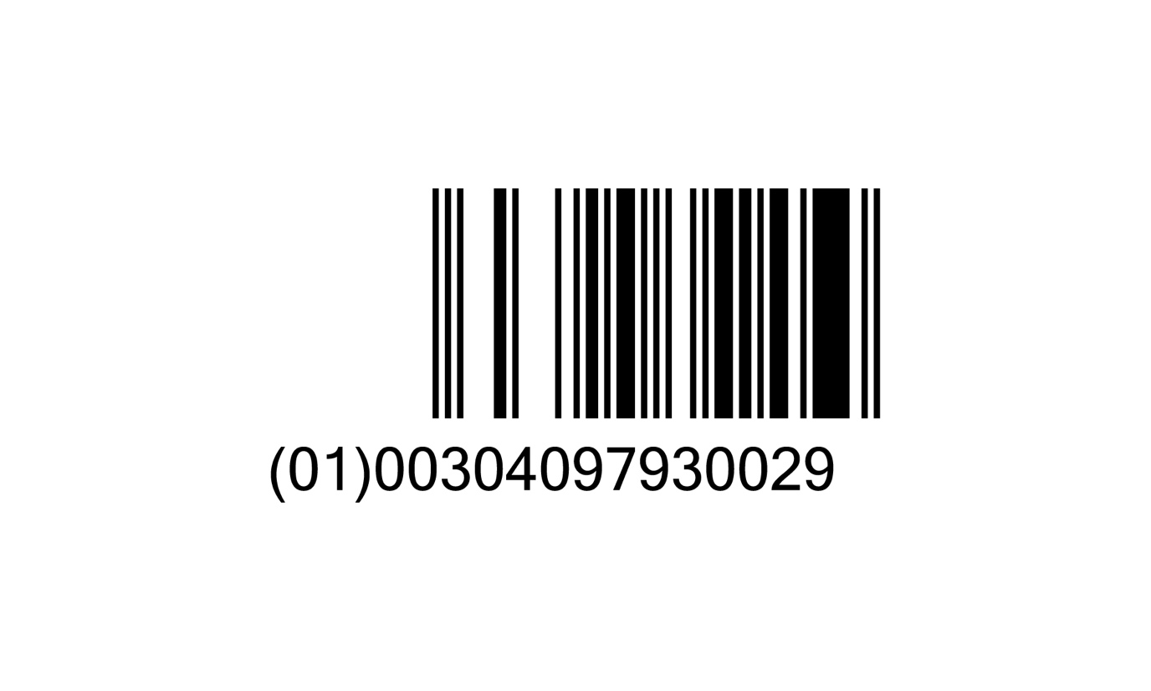 | 10% Dextrose Injection, USP, 250 mL | 0990-7930-02 | 079300453 |  | COMPLETED - Mid August 2019
6 | 07984-13 | 0798413 | 0409-7984-13 | 079840492 | 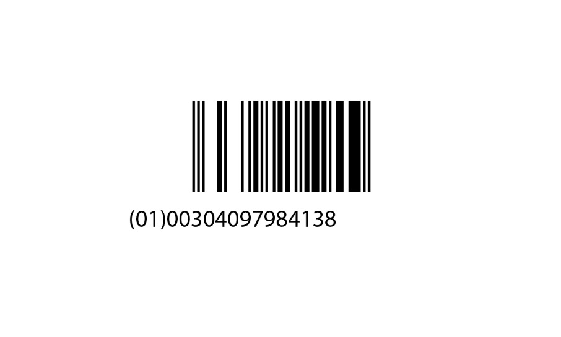 Will be provided upon conversion | 0.9% Sodium Chloride Injection, USP, 50 mL | 0990-7984-13 | 079840457 | 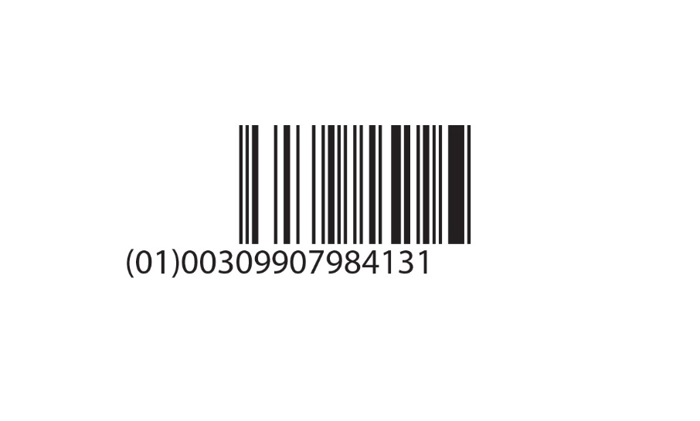 TBD | COMPLETED - Mid August 2019
7 | 07074-26 | 0707426 | 0409-7074-26 | 070740499 | 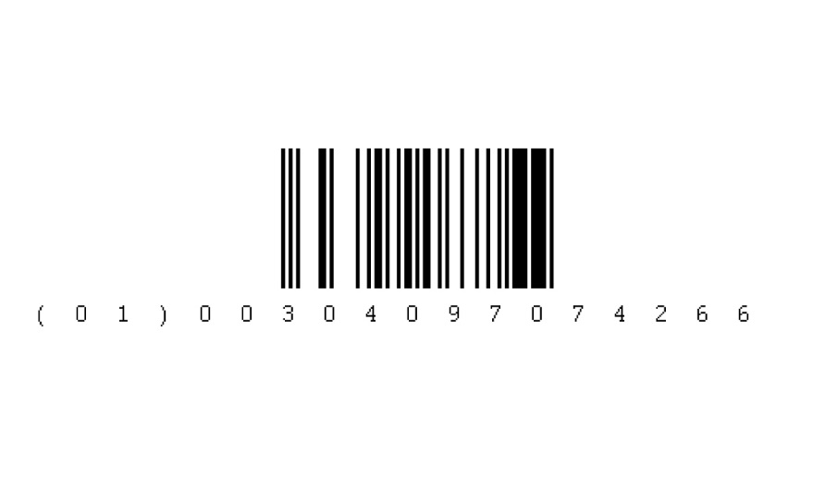 | Potassium Chloride Injection, 10 mEq/100 mL | 0990-7074-26 | 070740452 | 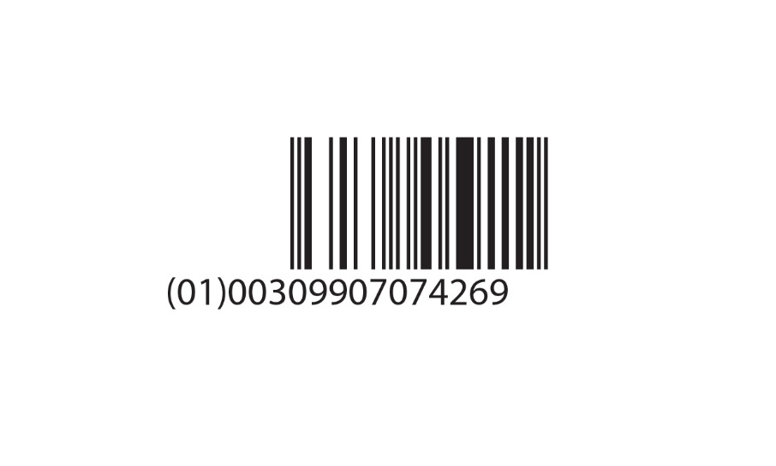 | COMPLETED - Late August 2019
8 | 07972-08 | 0797208 | 0409-7972-08 | 079720418 | 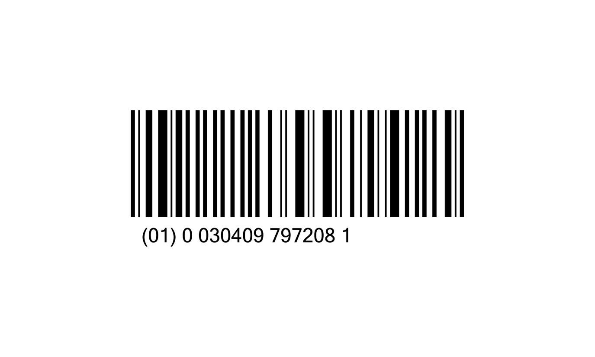 | 0.9% Sodium Chloride Irrigation, USP, 3000 mL | 0990-7972-08 | 079720480 | 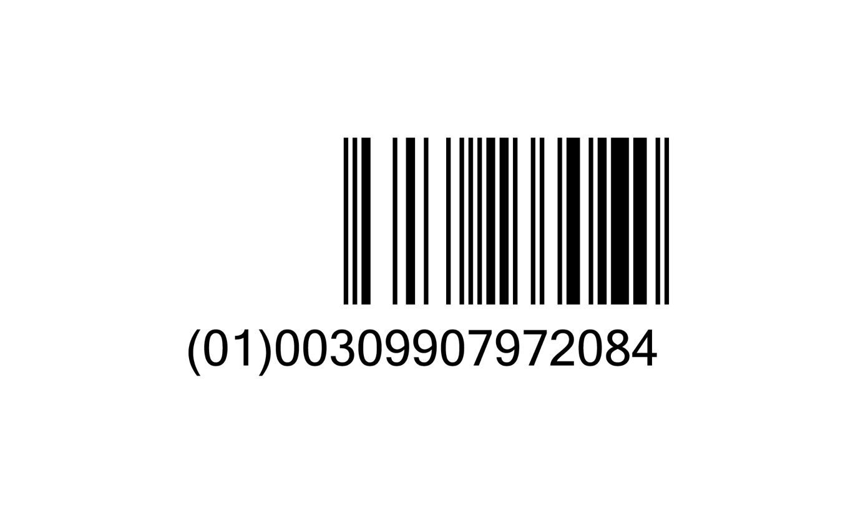 | COMPLETED - Late September 2019
9 | 07924-02 | 0792402 | 0409-7924-02 | 079240463 | 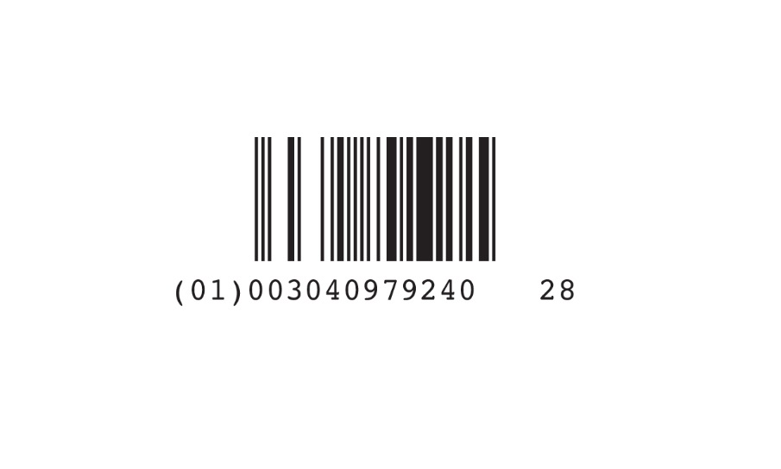 | 5% Dextrose and 0.225% Sodium Chloride Injection, USP, 250 mL | 0990-7924-02 | 079240453 |  | COMPLETED - Late September 2019
10 | 07935-19 | 0793519 | 0409-7935-19 | 079350493 | 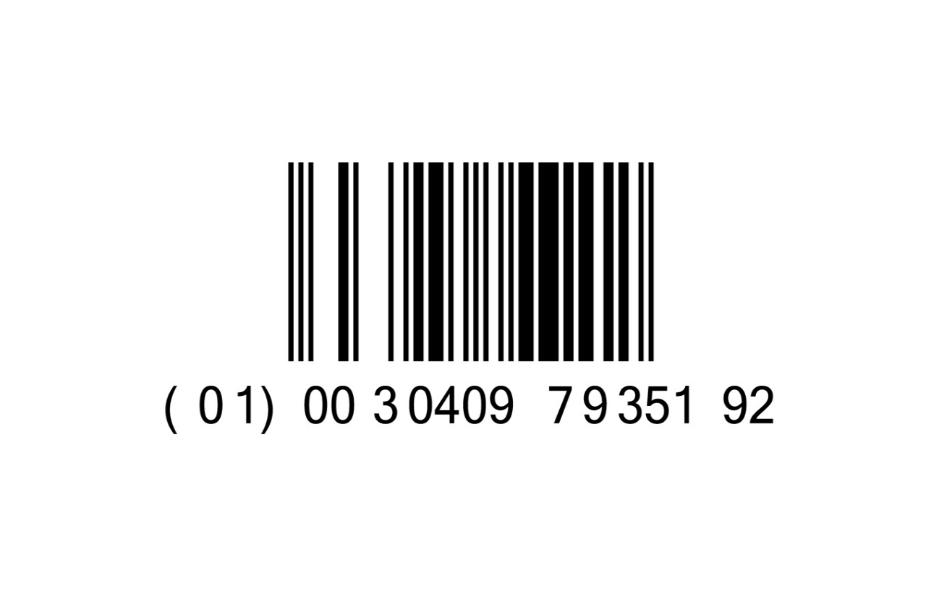 | 20% Dextrose Injection, USP, 500 mL Fill Volume in 1000 mL Partial-Fill Container | 0990-7935-19 | 079350479 | 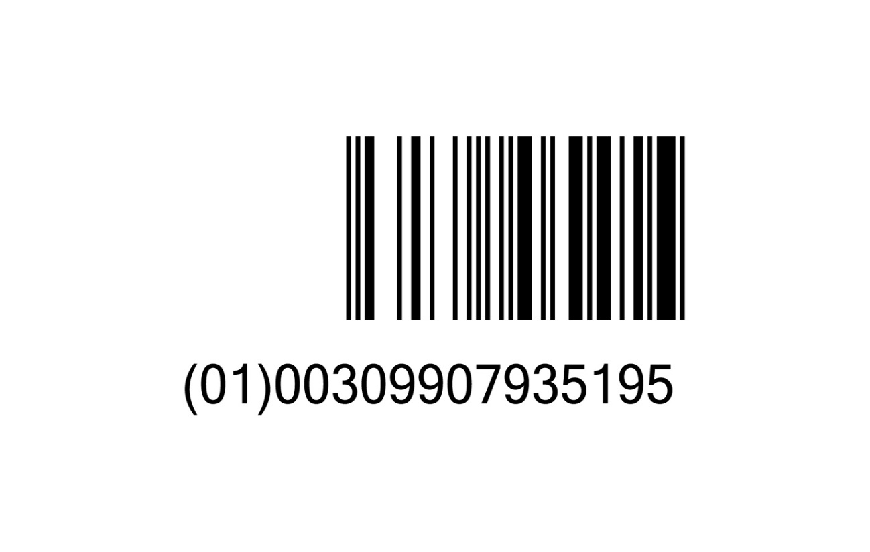 | COMPLETED - Early November 2019
11 | 07973-08 | 0797308 | 0409-7973-08 | 079730418 |  | Sterile Water for Irrigation, USP, 3000 mL | 0990-7973-08 | 079730480 |  | COMPLETED - Mid October 2019
12 | 07984-37 | 0798437 | 0409-7984-37 | 079840447 | 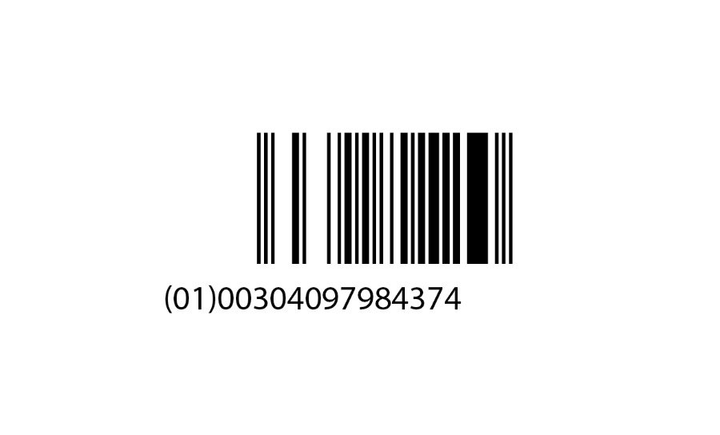 Will be provided upon conversion | 0.9% Sodium Chloride Injection, USP, 100 mL (Quad Pack) | 0990-7984-37 | 079840456 | TBD | COMPLETED - Mid October 2019
13 | 07985-02 | 0798502 | 0409-7985-02 | 079850463 | 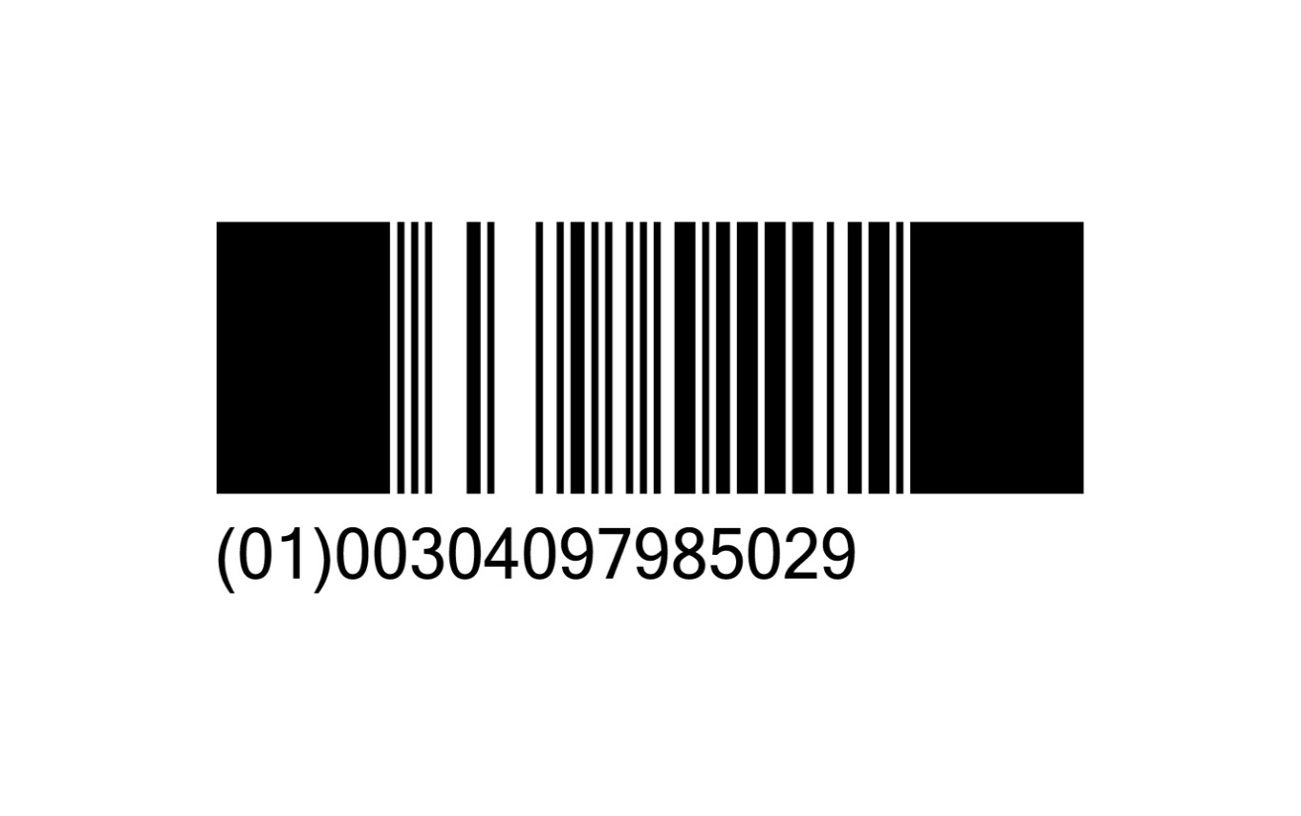 | 0.45% Sodium Chloride Injection, USP, 250 mL | 0990-7985-02 | 079850453 | TBD | COMPLETED - Late October 2019
14 | 06139-22 | 0613922 | 0409-6139-22 | 061390496 | 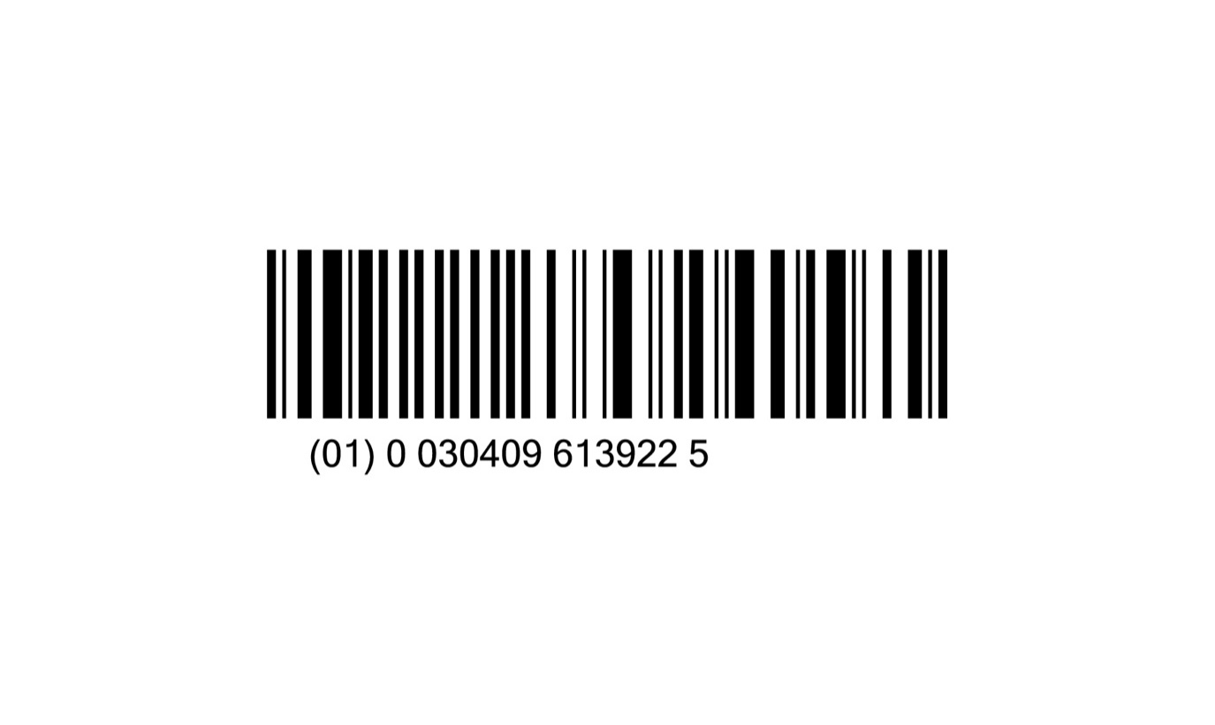 | Sterile Water for Irrigation, USP, 250 mL Aqualite™ Plastic Pour Bottle | 0990-6139-22 | 061390461 | 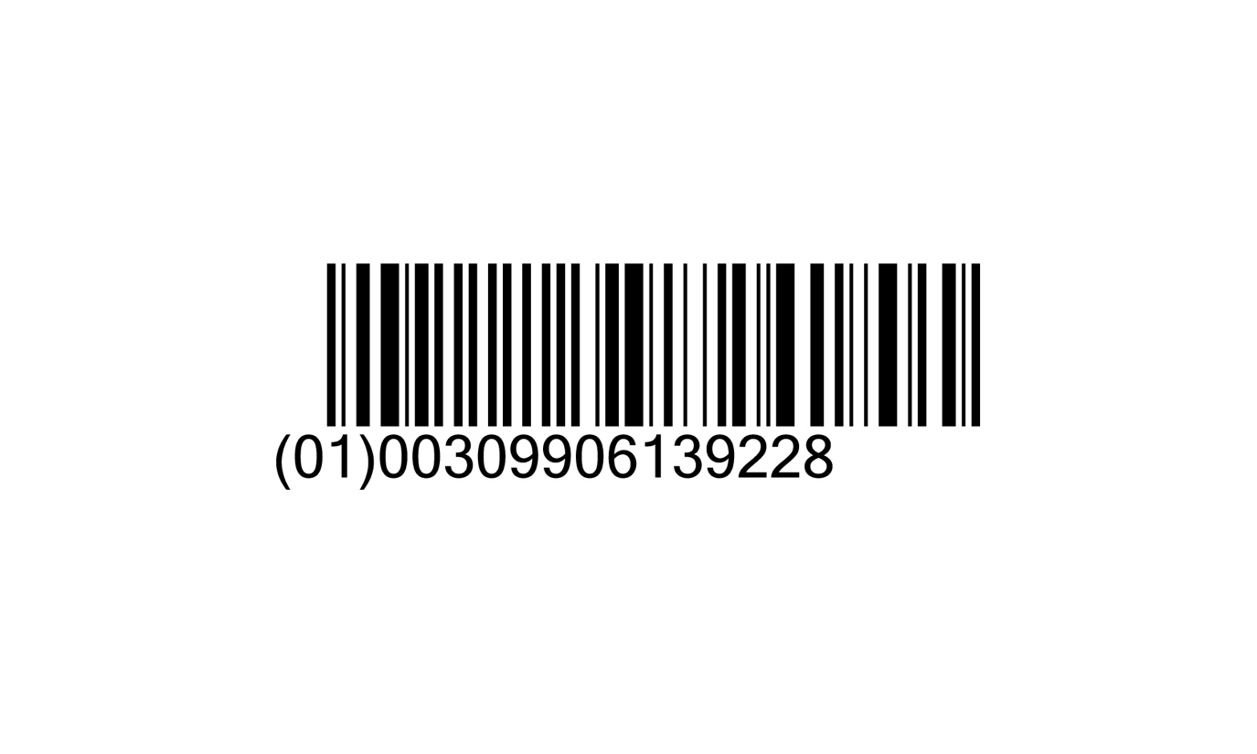 | COMPLETED - Mid November 2019
15 | 07984-36 | 798436 | 0409-7984-36 | 079840446 | Will be provided upon conversion | 0.9% Sodium Chloride Injection, USP, 50 mL (Quad Pack) | 0990-7984-36 | 079840455 | TBD | COMPLETED - Early November 2019
16 | 07077-14 | 0707714 | 0409-7077-14 | 070770424 | 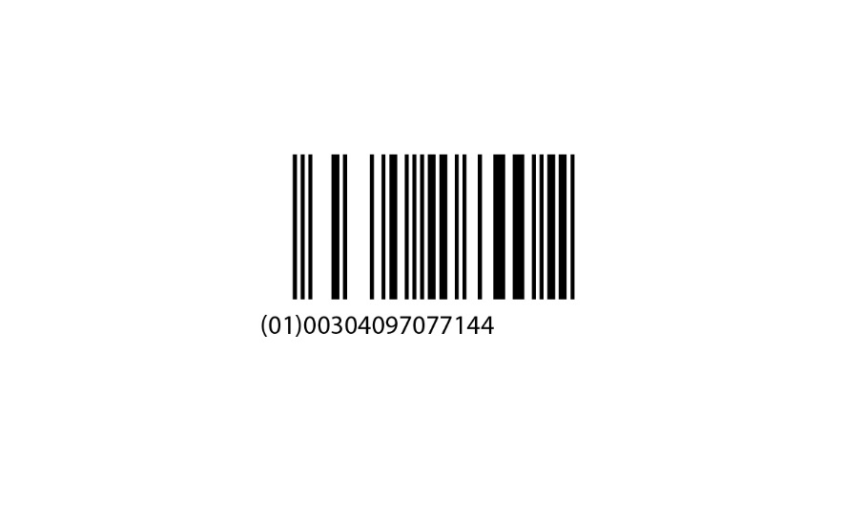 | Potassium Chloride Injection, 20 mEq/50 mL | 0990-7077-14 | 070770452 | TBD | COMPLETED - Early November 2019
17 | 07075-14 | 0707514 | 0409-7075-14 | 070750424 | 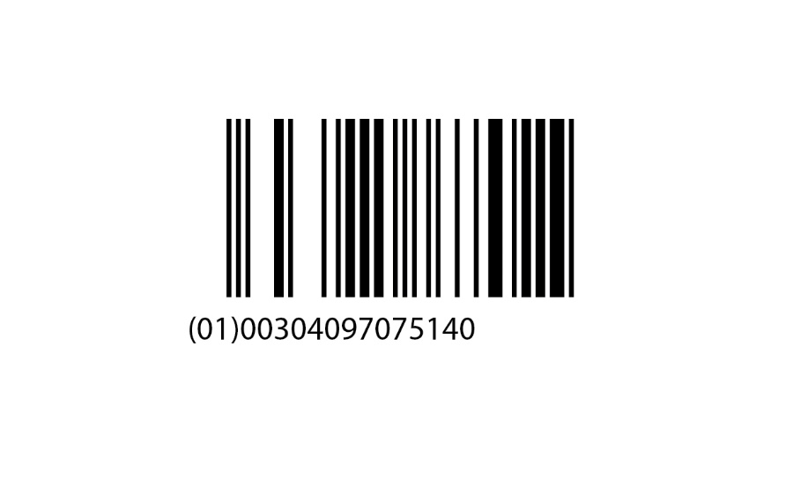 | Potassium Chloride Injection, 10 mEq/50 mL | 0990-7075-14 | 070750452 | TBD | COMPLETED - Early November 2019
18 | 07922-02 | 0792202 | 0409-7922-02 | 079220463 |  | 5% Dextrose Injection, USP, 250 mL | 0990-7922-02 | 079220456 | 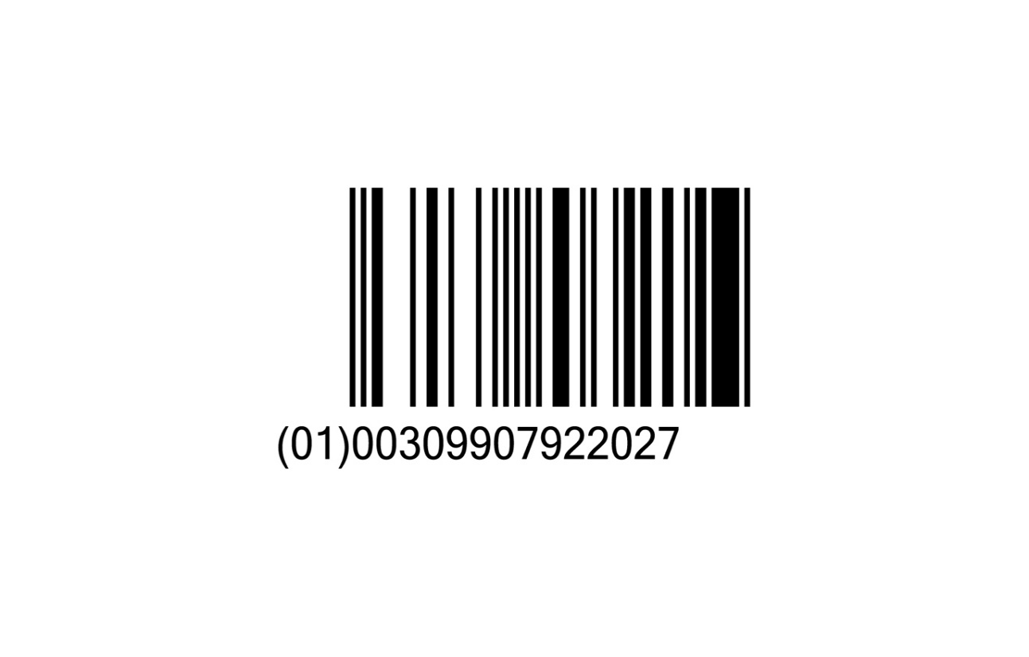 | COMPLETED - Late November 2019
19 | 07828-08 | 0782808 | 0409-7828-08 | 078280418 |  | Lactated Ringer's Irrigation, 3000 mL | 0990-7828-08 | 078280479 |  | COMPLETED - Early December 2019
20 | 07974-08 | 0797408 | 0409-7974-08 | 079740418 |  | 1.5% Glycine Irrigation, USP, 3000 mL | 0990-7974-08 | 079740479 |  | COMPLETED - Early December 2019
21 | 07925-03 | 0792503 | 0409-7925-03 | 079250444 | 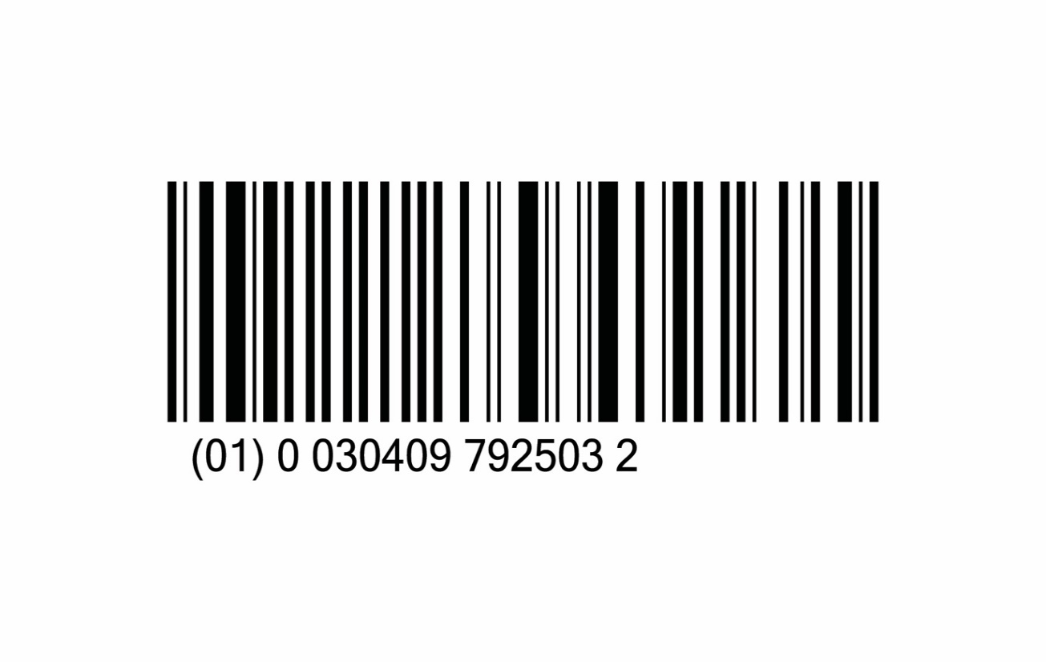 | 5% Dextrose and 0.3% Sodium Chloride Injection, USP, 500 mL | 0990-7925-03 | 079250452 |  | COMPLETED - Early December 2019
22 | 07111-09 | 0711109 | 0409-7111-09 | 071110449 | 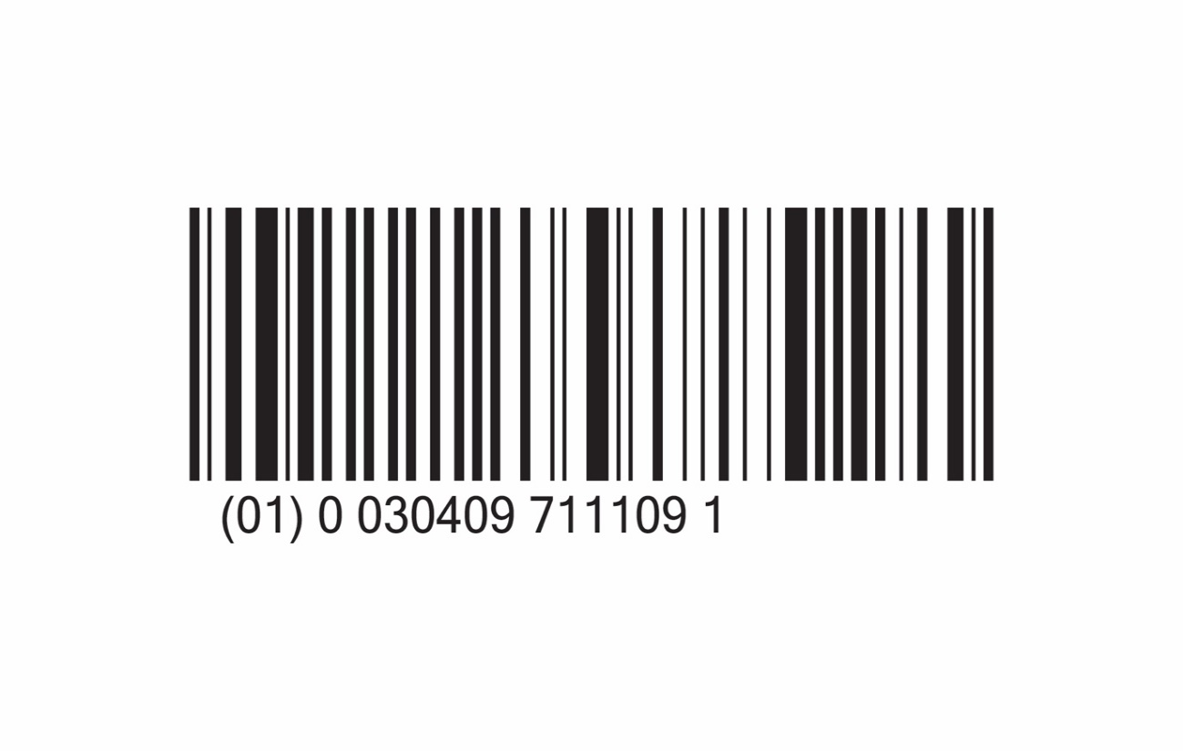 | 20 mEq Potassium Chloride in Lactated Ringer's and 5% Dextrose Injection, USP, 1000 mL | 0990-7111-09 | 071110450 |  | COMPLETED - Early December 2019
23 | 07120-07 | 0712007 | 0409-7120-07 | 071200417 | 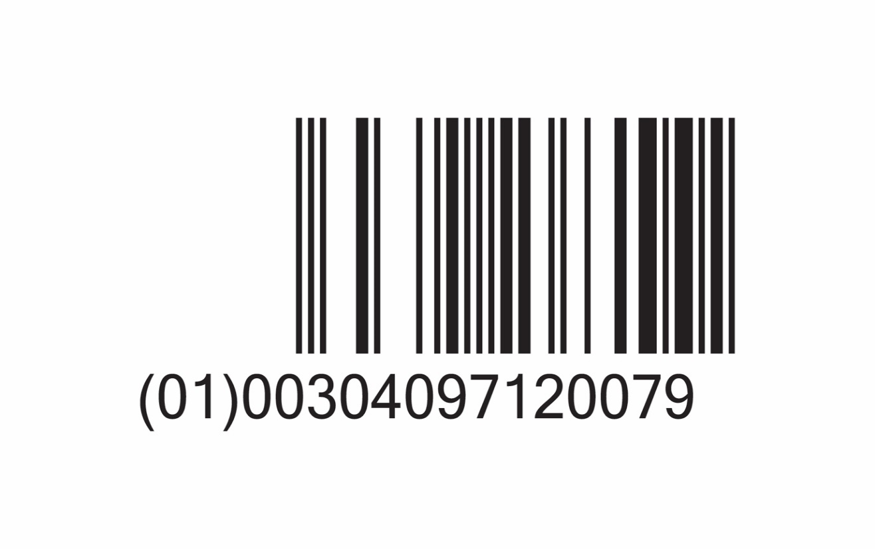 | 70% Dextrose Injection, USP, 2000 mL Pharmacy Bulk Package | 0990-7120-07 | 071200479 |  | COMPLETED - Early December 2019
24 | 07918-19 | 0791819 | 0409-7918-19 | 079180493 | 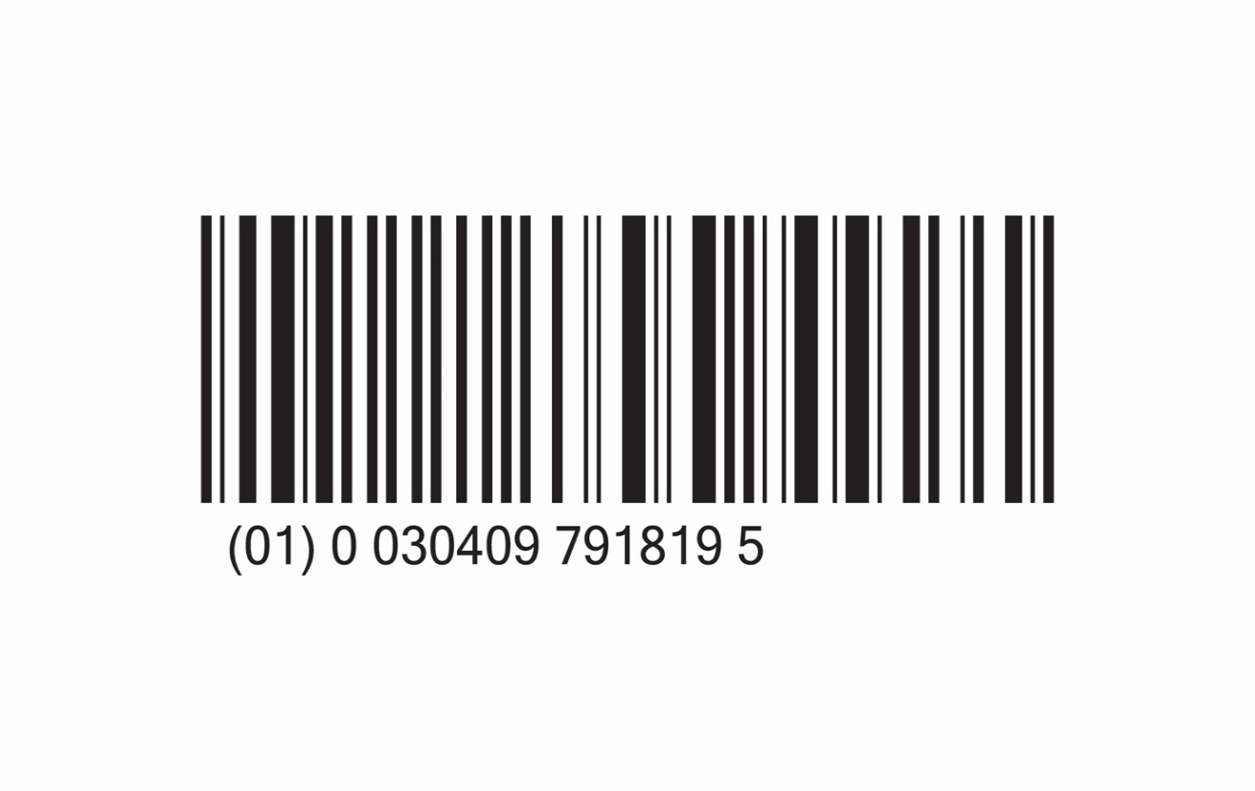 | 70% Dextrose Injection, USP, 500 mL Fill Volume in 1000 mL Partial-Fill Container | 0990-7918-19 | 079180479 |  | COMPLETED - Early December 2019
25 | 07983-25 | 0798325 | 0409-7983-25 | 079830425 |  | 0.9% Sodium Chloride Injection, USP, 250 mL VisIV™ Container | 0990-7983-25 | 079830451 |  | COMPLETED - Early December 2019
26 | 07118-07 | 0711807 | 0409-7118-07 | 071180417 |  | Sterile Water for Injection, USP , 2000 mL Pharmacy Bulk Package | 0990-7118-07 | 071180479 |  | COMPLETED - Mid December 2019
27 | 07926-02 | 0792602 | 0409-7926-02 | 079260463 | 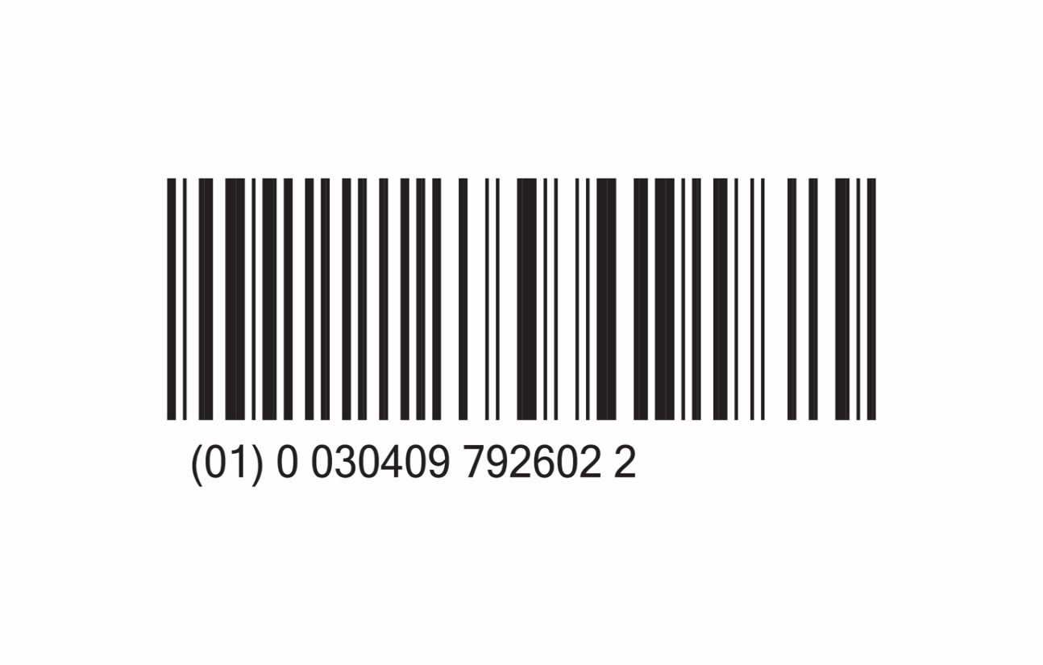 | 5% Dextrose and 0.45% Sodium Chloride Injection, USP, 250 mL | 0990-7926-02 | 079260453 | 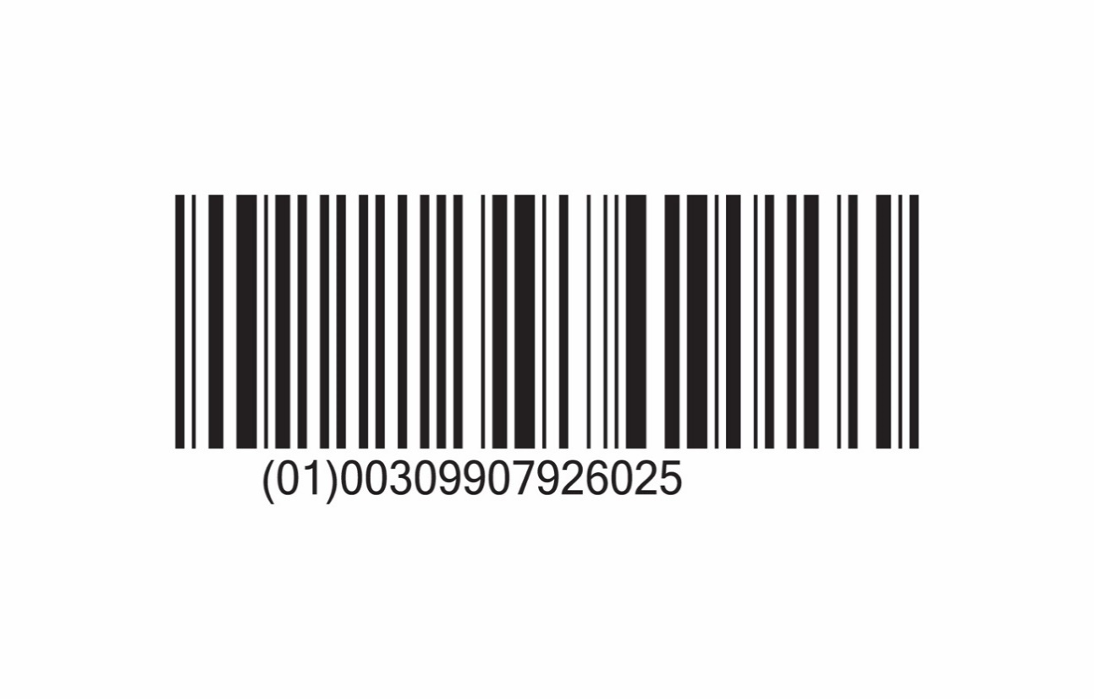 | COMPLETED - Late December 2019
28 | 07941-09 | 0794109 | 0409-7941-09 | 079410449 | 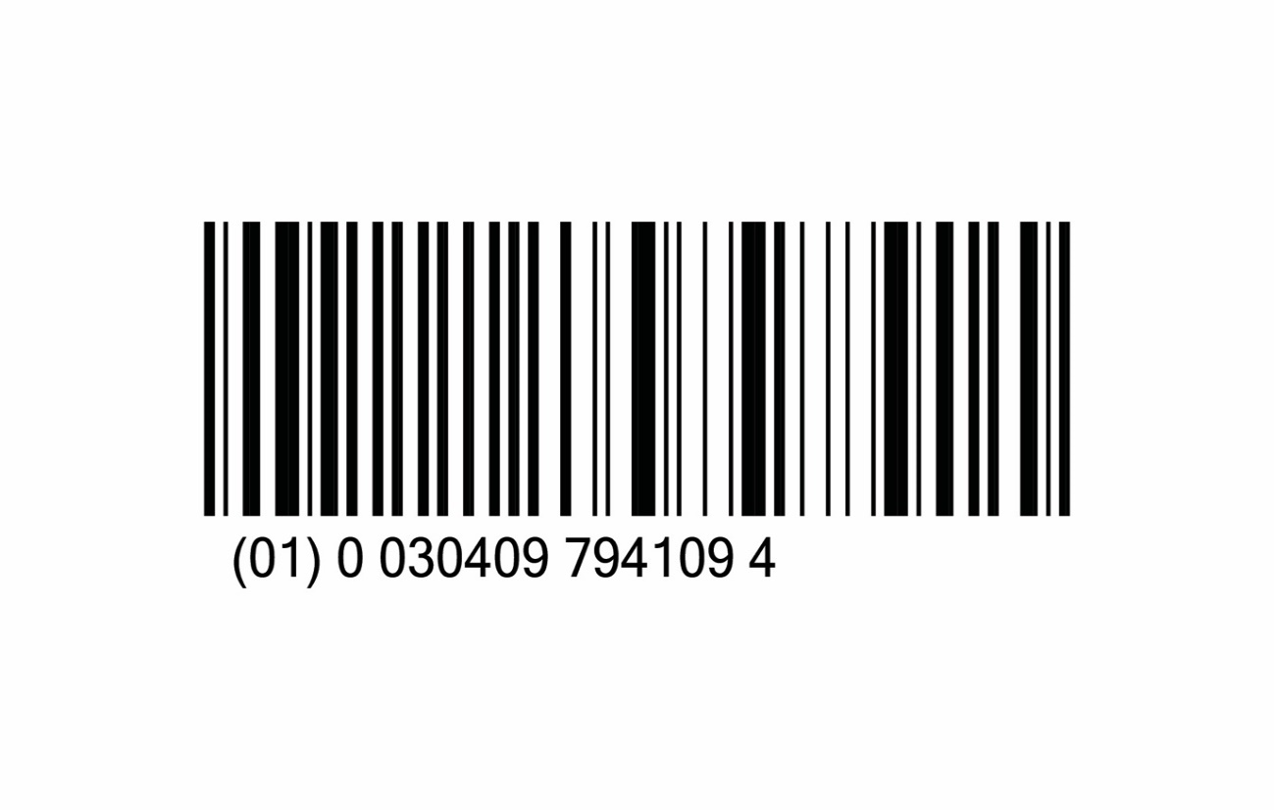 | 5% Dextrose and 0.9% Sodium Chloride Injection, USP, 1000 mL | 0990-7941-09 | 079410450 |  | COMPLETED - Late December 2019
29 | 07981-08 | 0798108 | 0409-7981-08 | 079810418 | 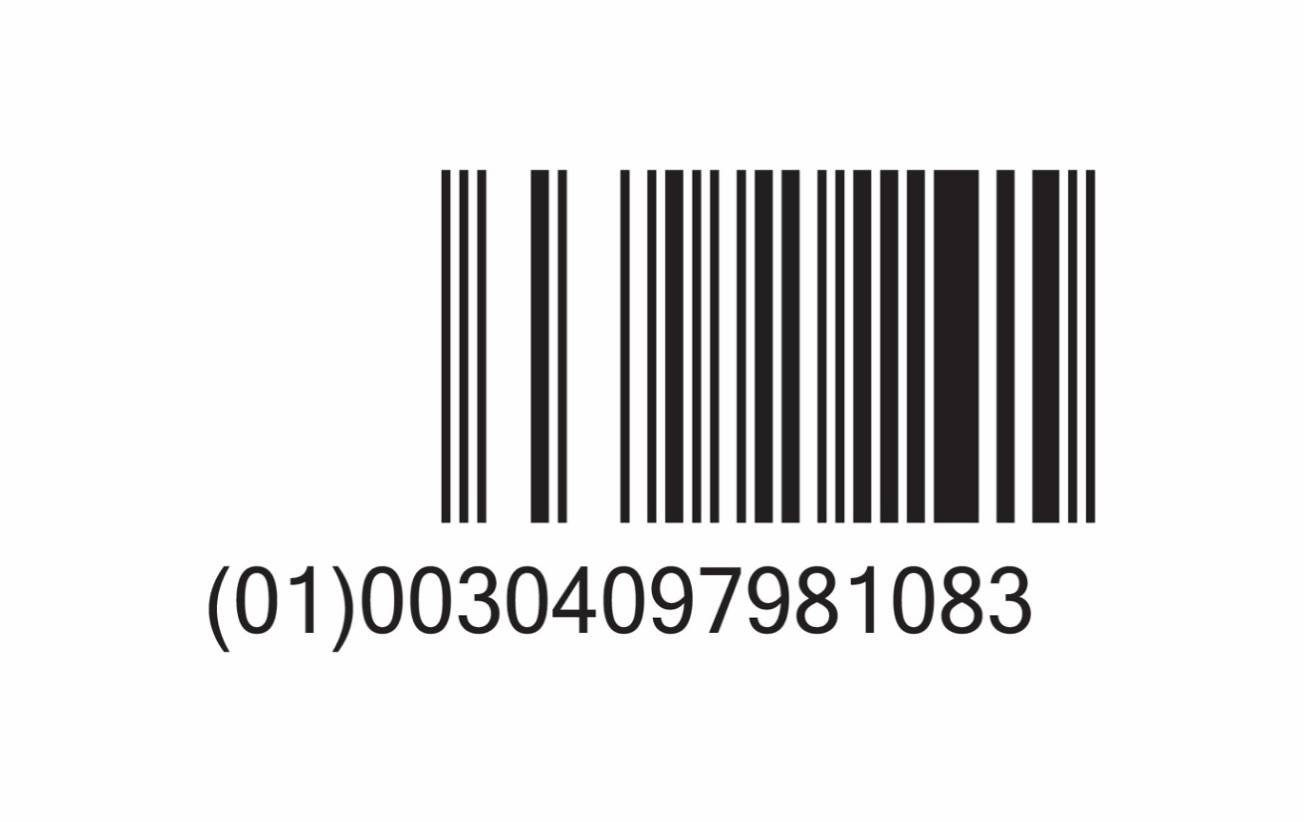 | Sorbitol-Mannitol Irrigation, 3000 mL | 0990-7981-08 | 079810479 |  | COMPLETED - Early January 2020
30 | 07715-03 | 0771503 | 0409-7715-03 | 077150456 |  | 20% Mannitol Injection, USP, 500 mL | 0990-7715-03 | 077150479 |  | Completed - Mid December 2019
31 | 07922-53 | 0792253 | 0409-7922-53 | 079220414 | 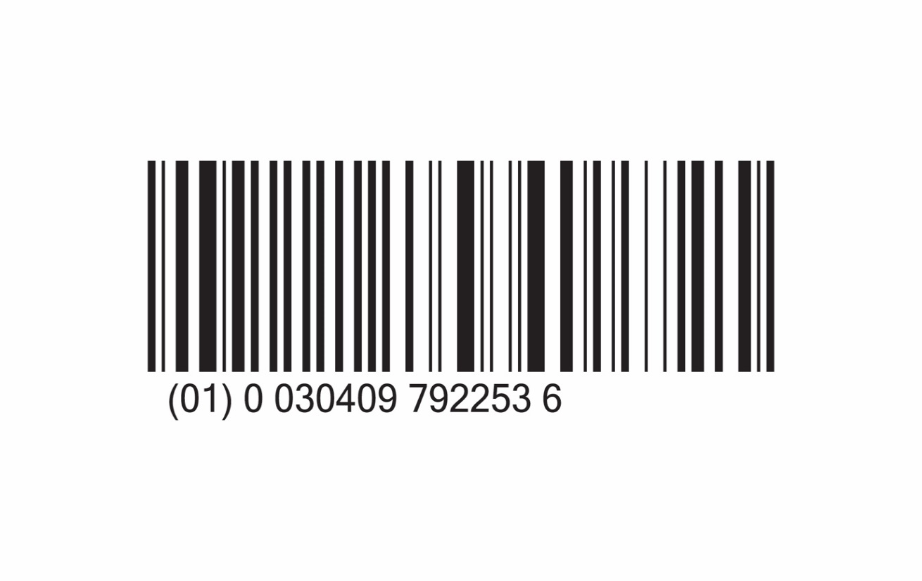 | 5% Dextrose Injection, USP, 250 mL | 0990-7922-02 | 079220456 |  | COMPLETED - Late December 2019
32 | 07983-09 | 0798309 | 0409-7983-09 | 079830449 | 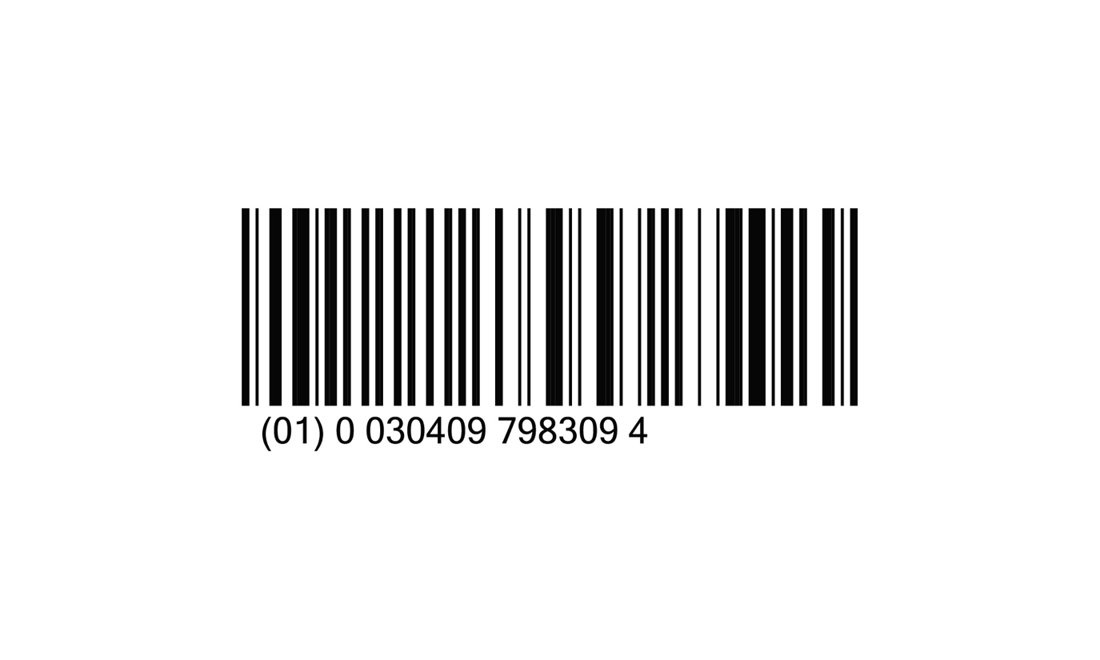 | 0.9% Sodium Chloride Injection, USP, 1000 mL | 0990-7983-09 | 079830450 |  | COMPLETED - Early January 2020
33 | 07922-61 | 0792261 | 0409-7922-61 | 079220415 | 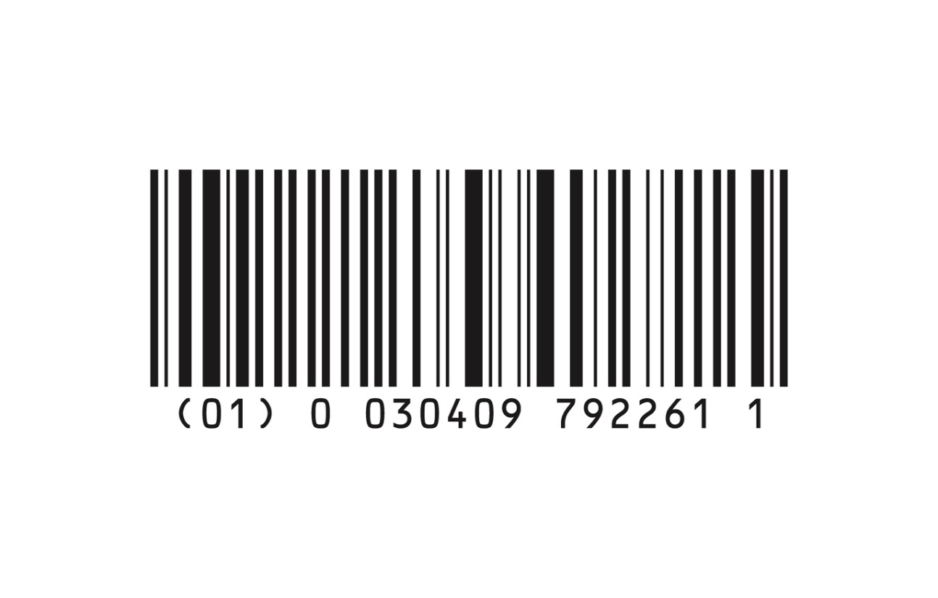 | 5% Dextrose Injection, USP, 150 mL | 0990-7922-61 | 079220452 |  | COMPLETED - Late December 2019
34 | 06143-09 | 0614309 | 0409-6143-09 | 061430439 | 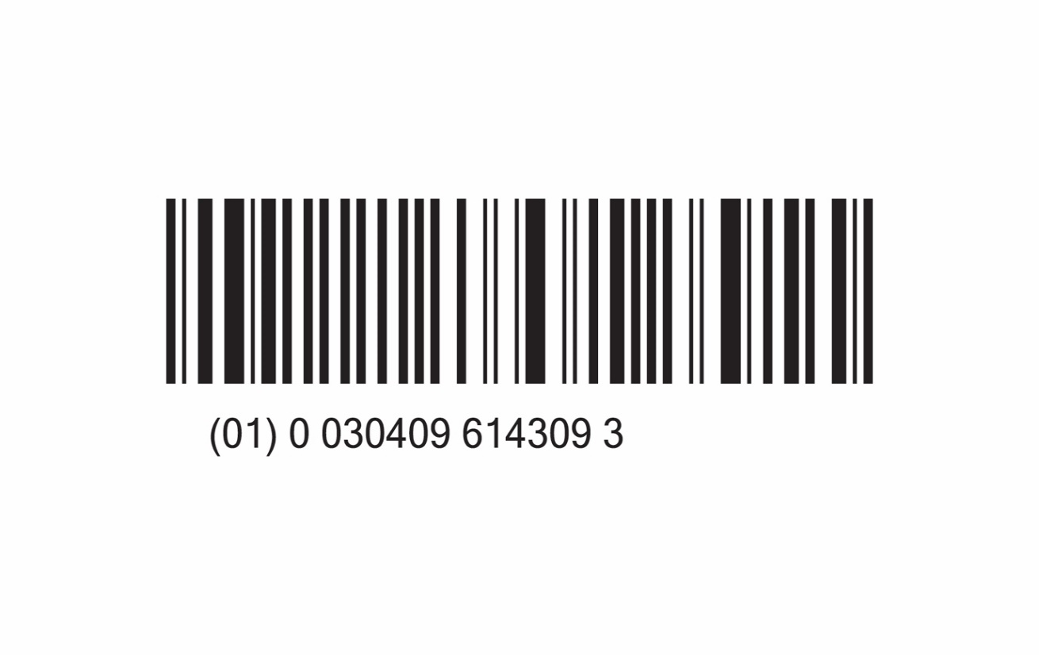 | 0.25% Acetic Acid Irrigation, USP, 1000 mL Aqualite™ Plastic Pour Bottle | 0990-6143-09 | 061430461 |  | COMPLETED - Mid December 2019
35 | 07922-55 | 0792255 | 0409-7922-55 | 079220457 |  | 5% Dextrose Injection, USP, 500 mL | 0990-7922-55 | 079220479 |  | COMPLETED - Mid December 2019
36 | 07983-61 | 0798361 | 0409-7983-61 | 079830415 | 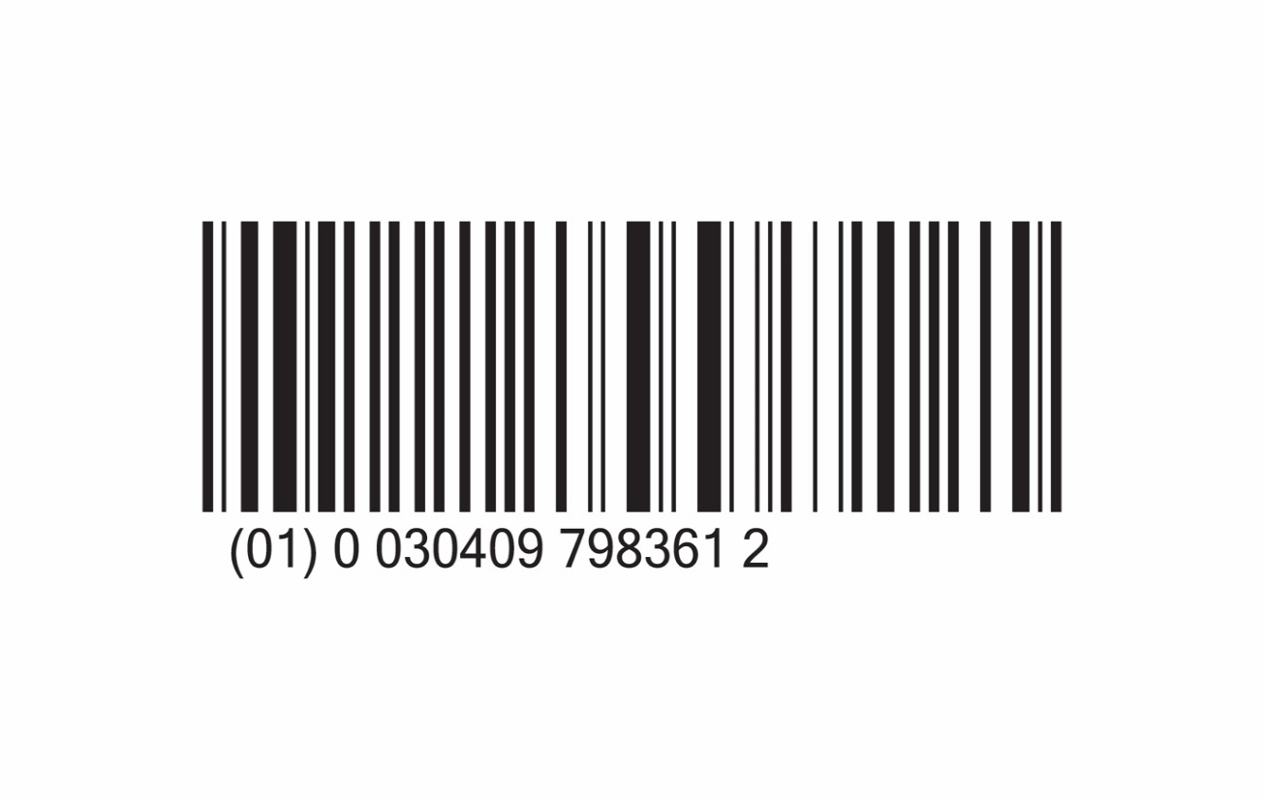 | 0.9% Sodium Chloride Injection, USP, 150 mL | 0990-7983-61 | 079830452 |  | COMPLETED - Late December 2019
37 | 06141-09 | 0614109 | 0409-6141-09 | 061410439 | 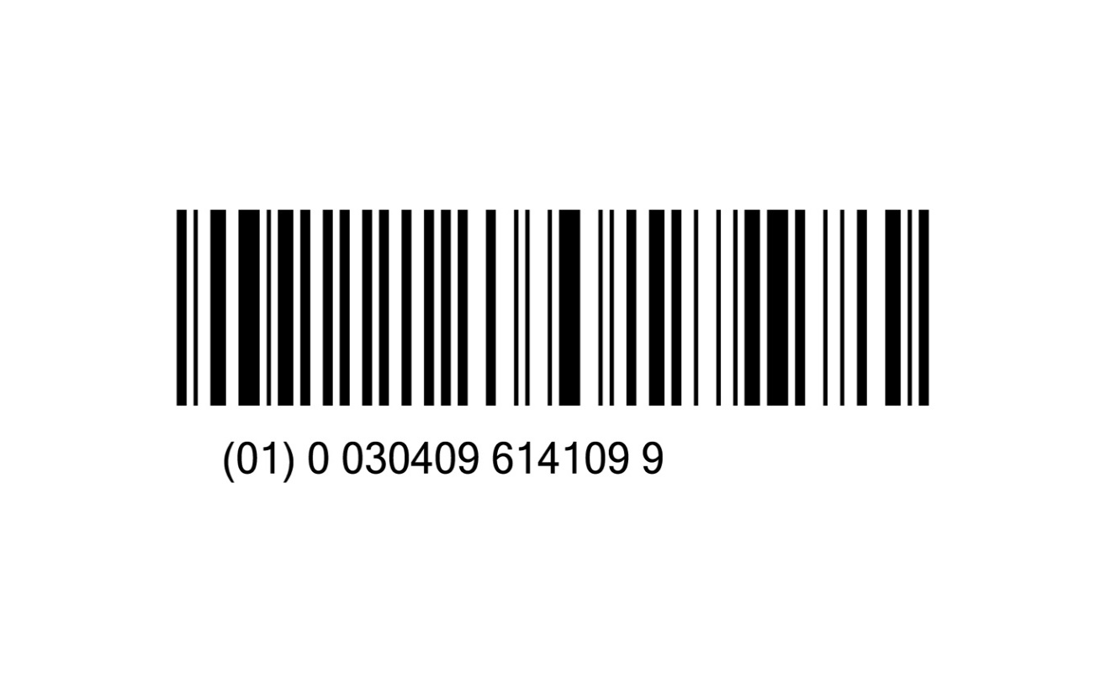 | Physiosol™ Irrigation, 1000 mL Aqualite™ Plastic Pour Bottle | 0990-6141-09 | 061410449 |  | COMPLETED - Mid December 2019
38 | 06138-03 | 0613803 | 0409-6138-03 | 061380414 | 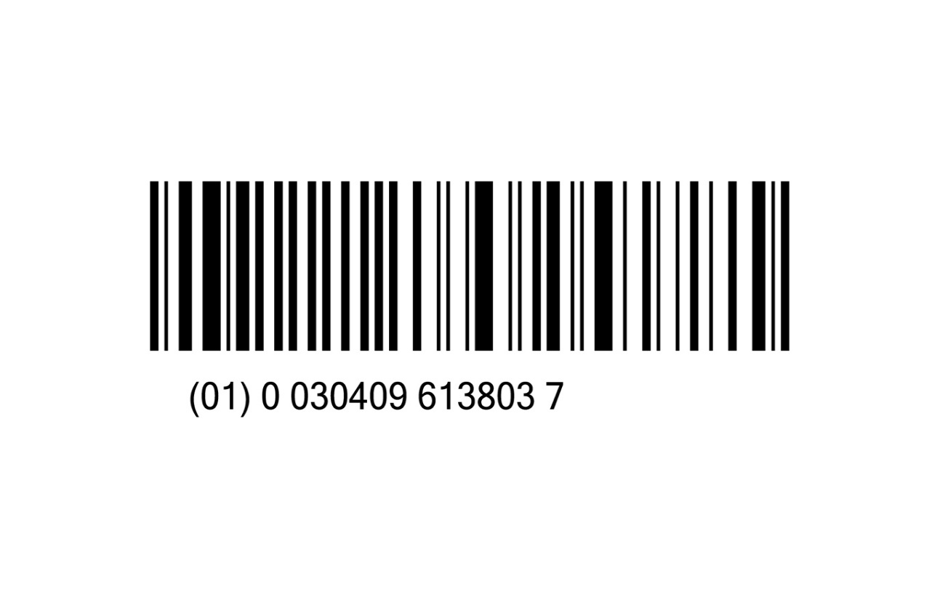 | 0.9% Sodium Chloride Irrigation, USP, 500 mL Aqualite™ Plastic Pour Bottle | 0990-6138-03 | 061380460 |  | COMPLETED - Mid January 2020
39 | 07973-05 | 0797305 | 0409-7973-05 | 079730489 |  | Sterile Water for Irrigation, USP, 1000 mL | 0990-7973-05 | 079730481 |  | COMPLETED - Mid January 2020
40 | 07922-09 | 0792209 | 0409-7922-09 | 079220449 |  | 5% Dextrose Injection, USP, 1000 mL | 0990-7922-09 | 079220450 |  | COMPLETED - Mid January 2020
41 | 07929-03 | 0792903 | 0409-7929-03 | 079290444 | 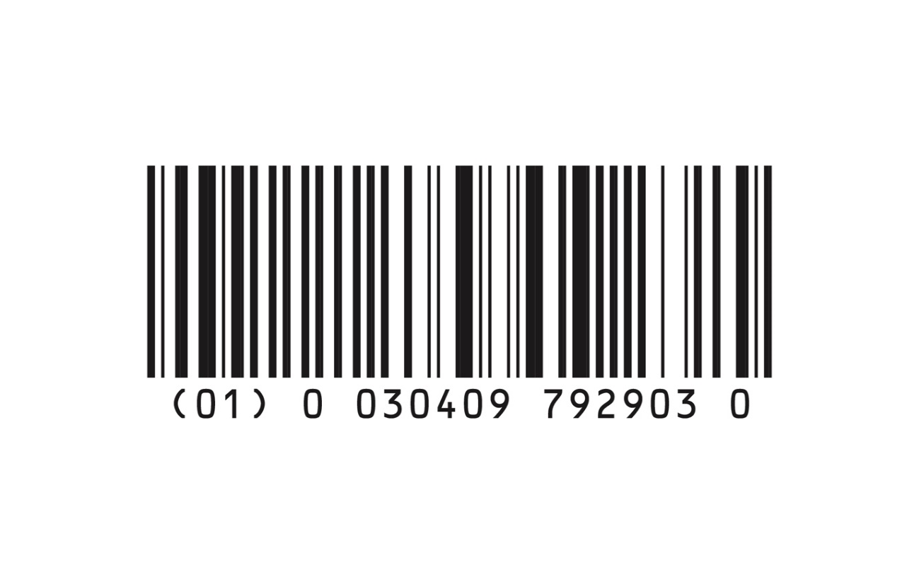 | Lactated Ringer's and 5% Dextrose Injection, USP, 500 mL | 0990-7929-03 | 079290452 |  | COMPLETED - Late January 2020
42 | 07973-07 | 0797307 | 0409-7973-07 | 079730417 |  | Sterile Water for Irrigation, USP, 2000 mL | 0990-7973-07 | 079730479 |  | Completed - Late January 2020
43 | 07109-09 | 0710909 | 0409-7109-09 | 071090449 | 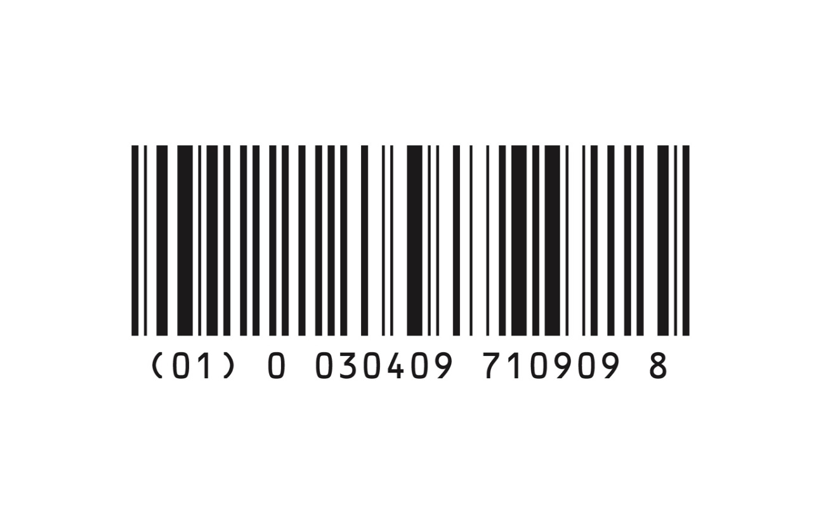 | 40 mEq Potassium Chloride in 5% Dextrose and 0.9% Sodium Chloride Injection, USP, 1000 mL | 0990-7109-09 | 071090450 |  | COMPLETED - Late January 2020
44 | 07730-36 | 0773036 | 0409-7730-36 | 077300446 | 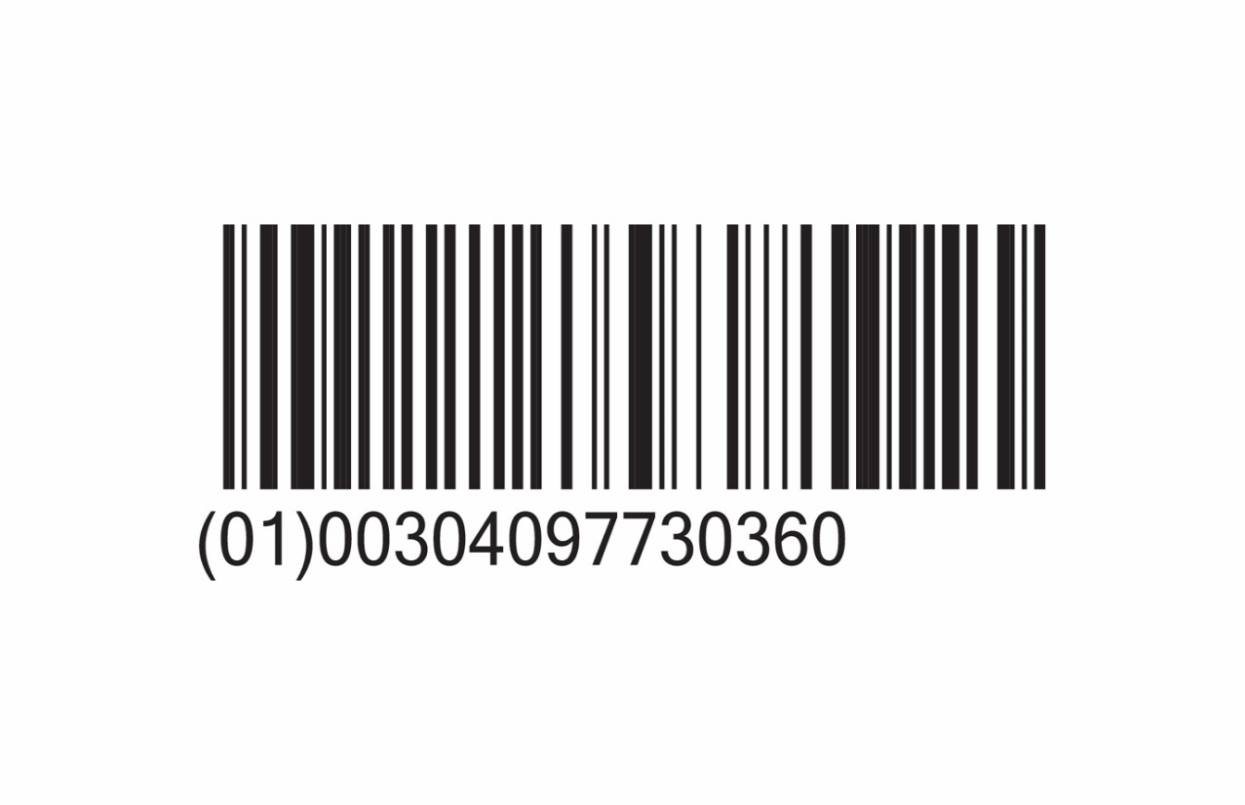 | 0.45% Sodium Chloride Injection, USP, 50 mL (Quad Pack) | 0990-7730-36 | 077300452 |  | COMPLETED - Early February 2020
45 | 07670-09 | 0767009 | 0409-7670-09 | 076700449 | 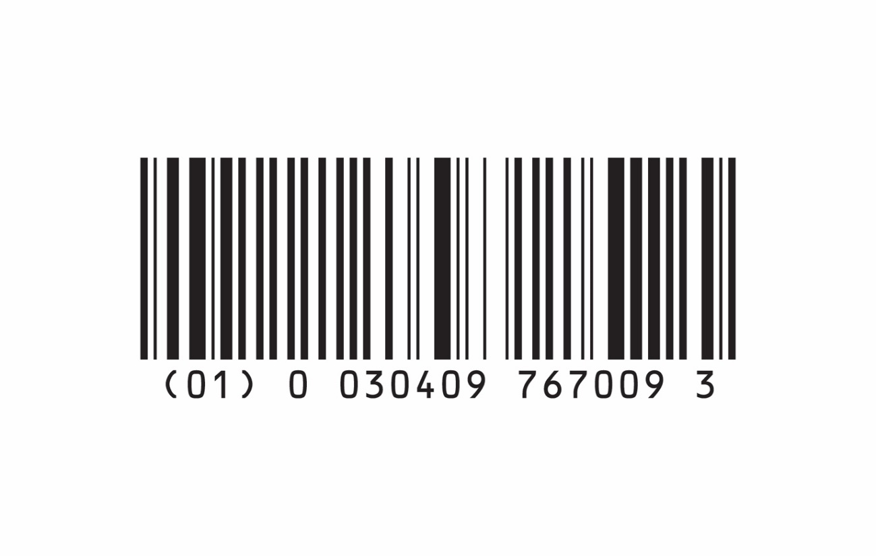 | Normosol™-R pH 7.4 (Multiple Electrolytes Injection Type 1, USP), 1000 mL | 0990-7670-09 | 076700450 |  | COMPLETED - Early February 2020
46 | 07985-25 | 0798525 | 0409-7985-25 | 079850425 |  | 0.45% Sodium Chloride Injection, USP, 250 mL VisIV™ Container | 0990-7985-25 | 079850451 |  | COMPLETED - Early February 2020
47 | 06143-22 | 0614322 | 0409-6143-22 | 061430496 | 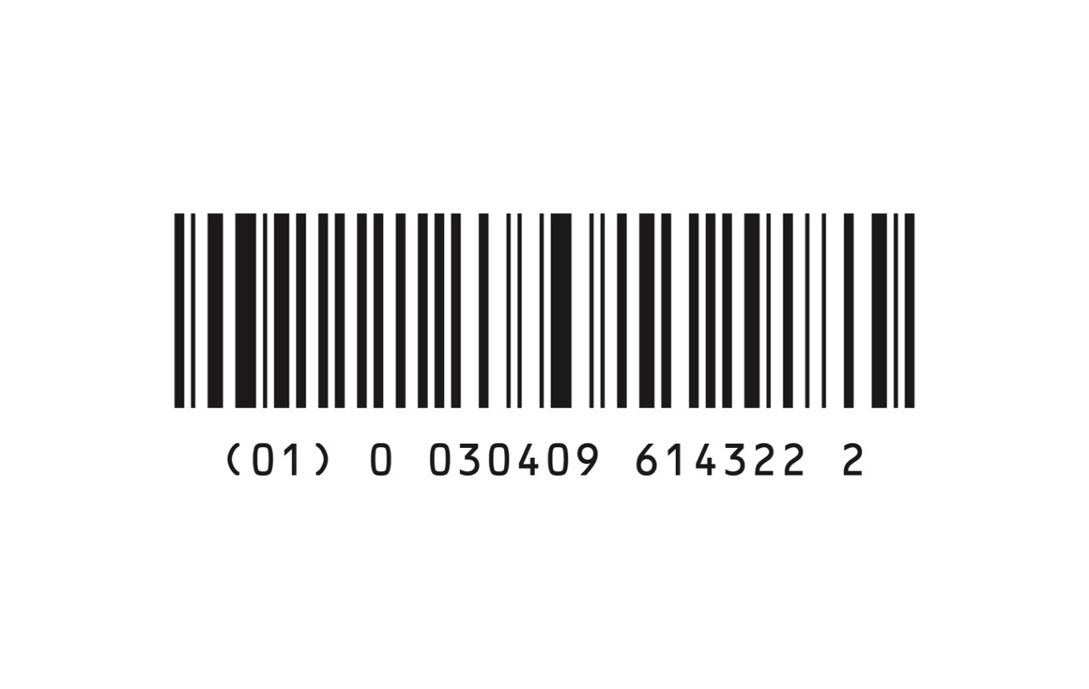 | 0.25% Acetic Acid Irrigation, USP, 250 mL Aqualite™ Plastic Pour Bottle | 0990-6143-22 | 061430462 |  | COMPLETED - Early February 2020
48 | 07138-09 | 0713809 | 0409-7138-09 | 071380439 | 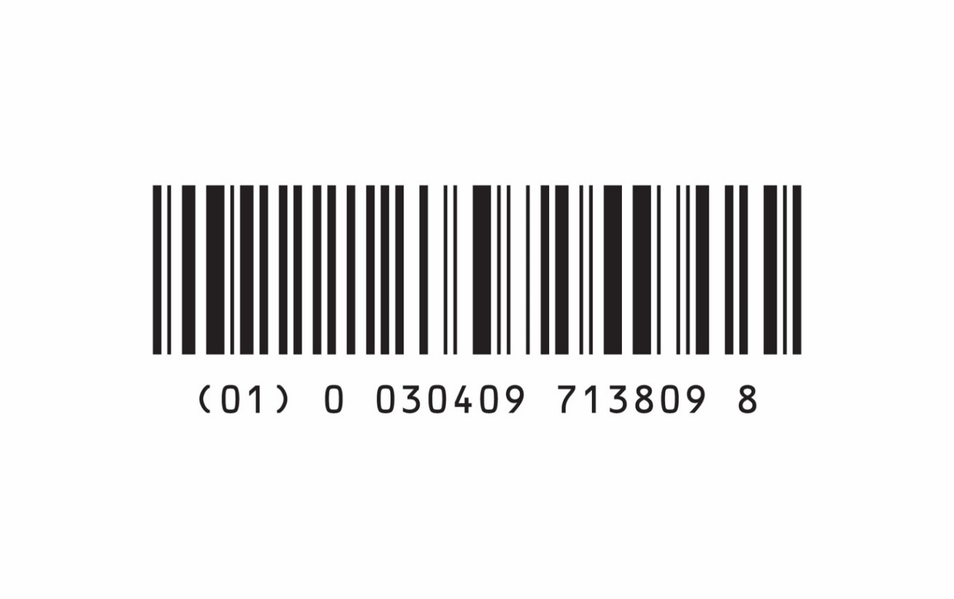 | 0.9% Sodium Chloride Irrigation, USP, 1000 mL Aqualite™ Plastic Pour Bottle | 0990-7138-09 | 071380460 |  | COMPLETED - Mid February 2020
49 | 06139-03 | 0613903 | 0409-6139-03 | 061390414 | 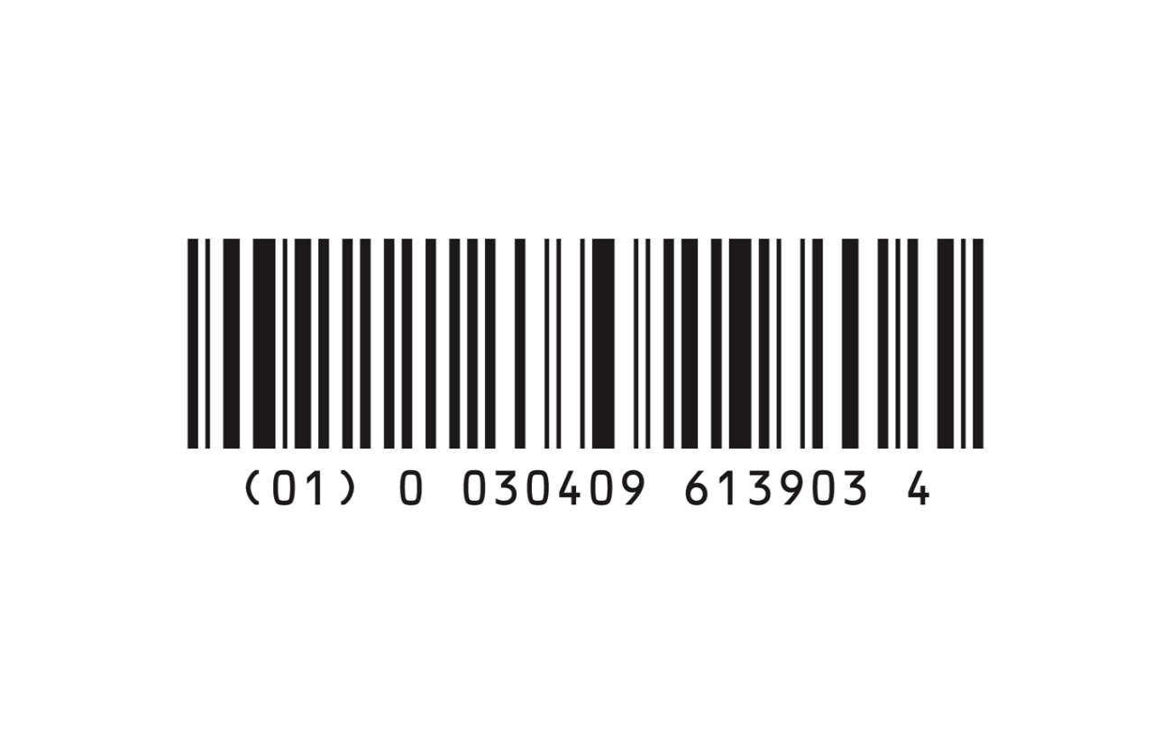 | Sterile Water for Irrigation, USP, 500 mL Aqualite™ Plastic Pour Bottle | 0990-6139-03 | 061390460 |  | COMPLETED - Mid February 2020
50 | 07923-37 | 0792337 | 0409-7923-37 | 079230447 | 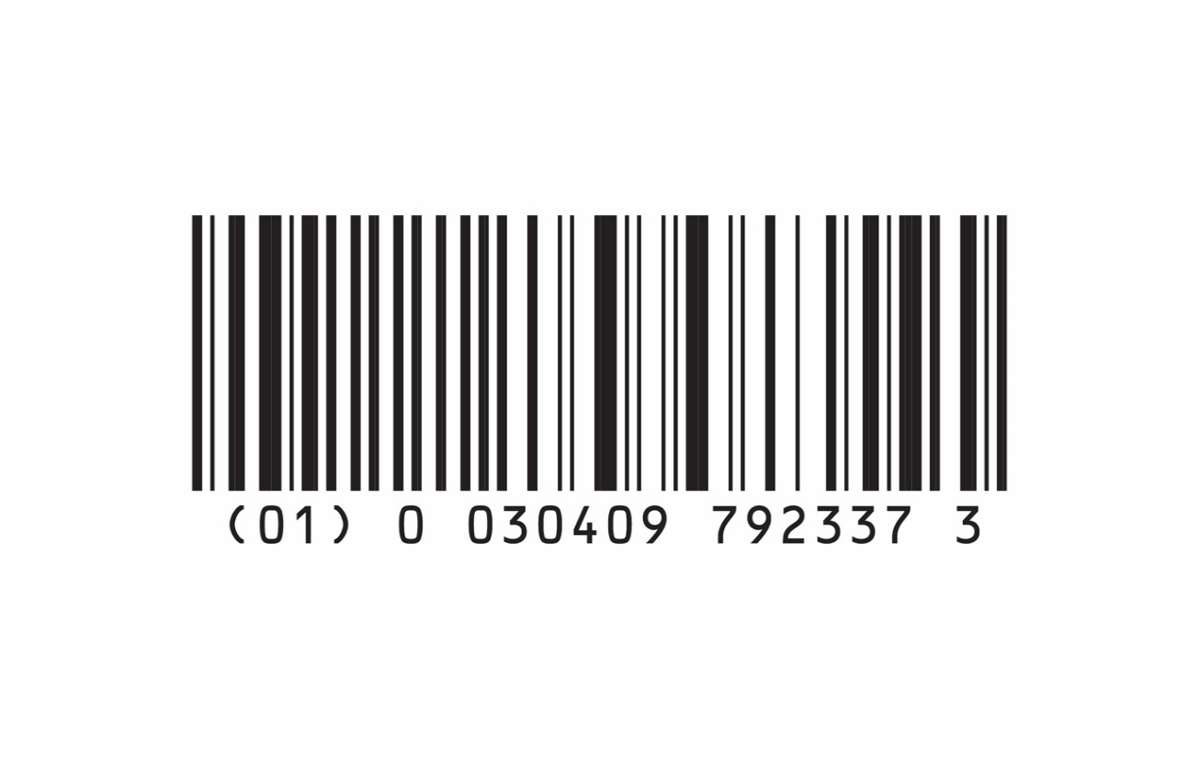 | 5% Dextrose Injection, USP, 100 mL (Quad Pack) | 0990-7923-37 | 79230455 |  | COMPLETED - Mid February 2020
51 | 07139-36 | 0713936 | 0409-7139-36 | 071390446 | 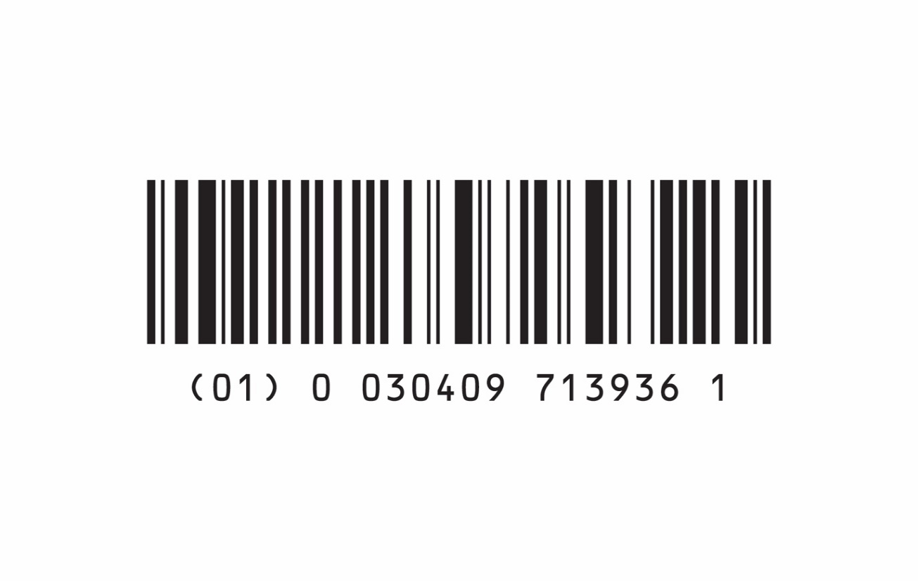 | Sterile Water for Irrigation, USP, 1500 mL Aqualite™ Plastic Pour Bottle | 0990-7139-36 | 71390461 |  | COMPLETED - Late February 2020
52 | 07953-09 | 0795309 | 0409-7953-09 | 079530449 | 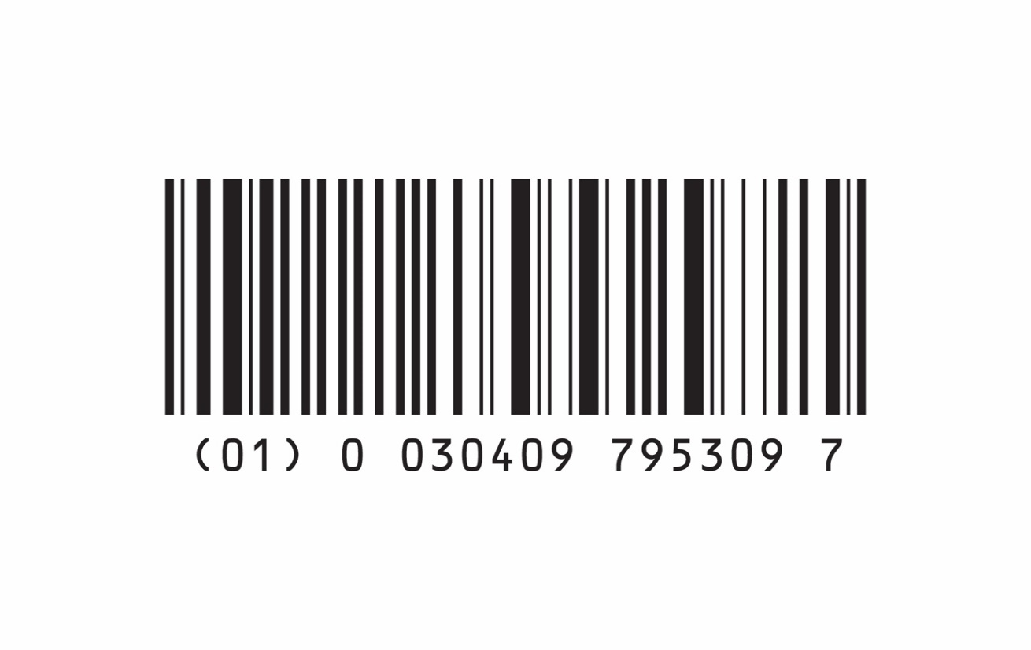 | Lactated Ringer's Injection, USP, 1000 mL | 0990-7953-09 | 79530450 |  | COMPLETED - Late February 2020
53 | 07984-11 | 0798411 | 0409-7984-11 | 079840411 |  | 0.9% Sodium Chloride Injection, USP, 100 mL VisIV™ Container | 0990-7984-11 | 79840451 |  | COMPLETED - Early May 2020
54 | 04179-05 | 0417905 | 0409-4179-05 | 041790490 | 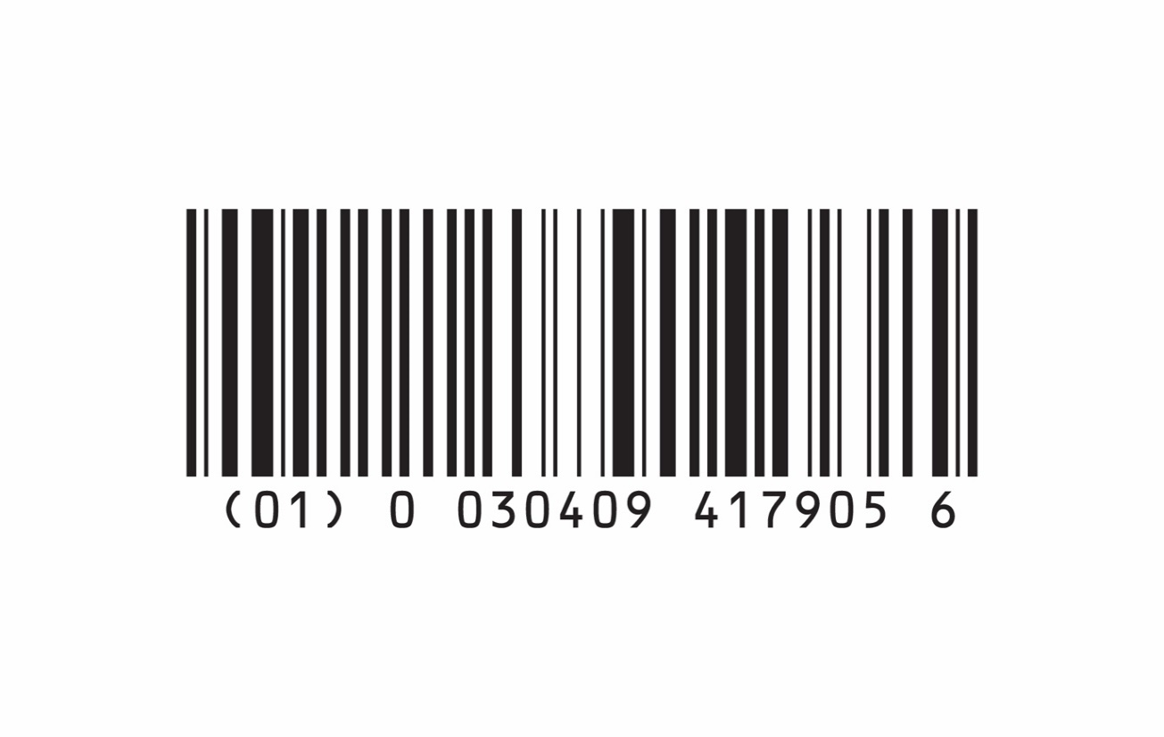 | Aminosyn™-PF 10%, Sulfite-Free (an amino acid injection – pediatric formula), 1000 mL Pharmacy Bulk Package | 0990-4179-05 | 041790479 | 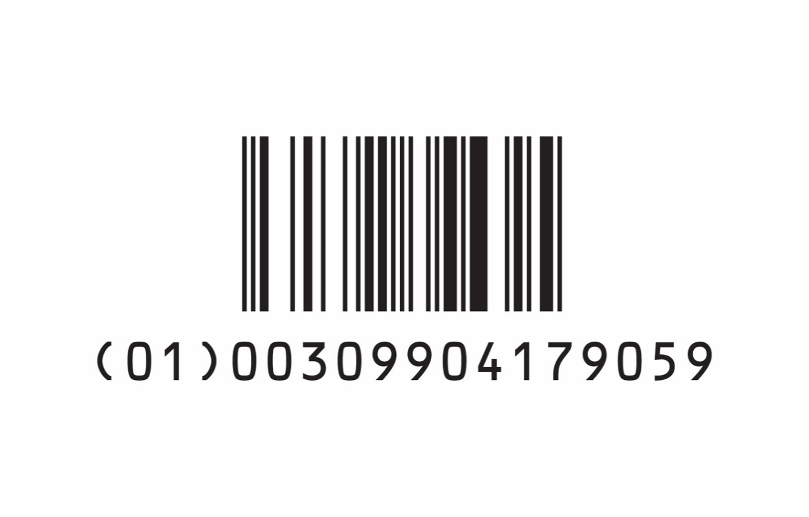 | COMPLETED - Late February 2020
55 | 07372-03 | 0737203 | 0409-7372-03 | 073720444 | 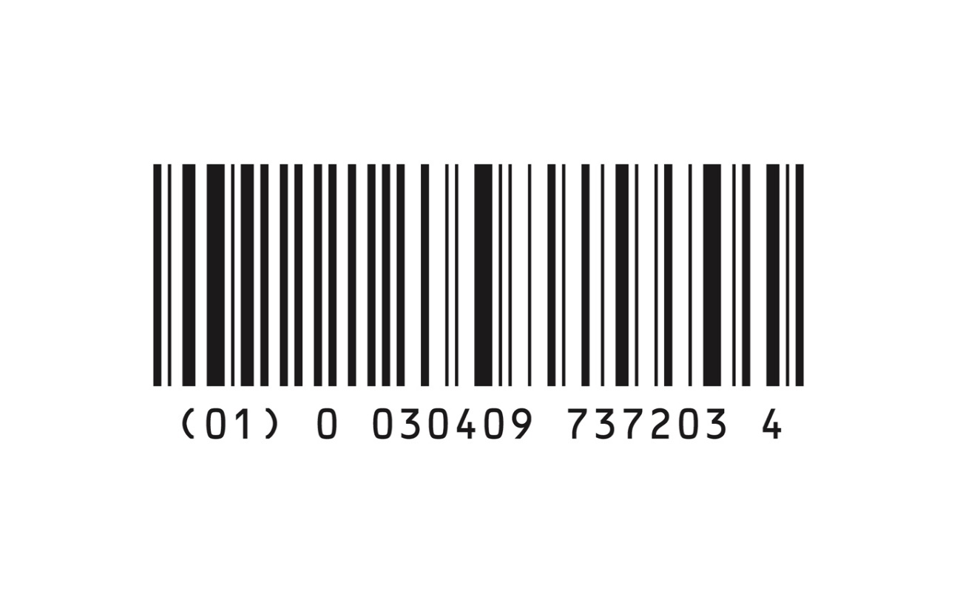 | Ionosol™ MB and 5% Dextrose Injection (Multiple Electrolytes and 5% Dextrose Injection Type 1, USP), 500 mL | 0990-7372-03 | 73720452 |  | COMPLETED - Late February 2020
56 | 07983-53 | 0798353 | 0409-7983-53 | 79830414 |  | 0.9% Sodium Chloride Injection, USP, 250 mL | 0990-7983-02 | 079830456 |  | Completed - Late February 2020
57 | 07138-36 | 0713836 | 0409-7138-36 | 071380446 |  | 0.9% Sodium Chloride Irrigation, USP, 1500 mL Aqualite™ Plastic Pour Bottle | 0990-7138-36 | 071380461 |  | COMPLETED - Early March 2020
58 | 07926-09 | 0792609 | 0409-7926-09 | 079260449 |  | 5% Dextrose and 0.45% Sodium Chloride Injection, USP, 1000 mL | 0990-7926-09 | 079260450 |  | COMPLETED - Early March 2020
59 | 07984-20 | 0798420 | 0409-7984-20 | 079840430 |  | 0.9% Sodium Chloride Injection, USP, 25 mL (Quad Pack) | 0990-7984-20 | 079840452 |  | COMPLETED - Early March 2020
60 | 07139-09 | 0713909 | 0409-7139-09 | 071390439 |  | Sterile Water for Irrigation, USP, 1000 mL Aqualite™ Plastic Pour Bottle | 0990-7139-09 | 071390460 |  | COMPLETED - Mid March 2020
61 | 07929-09 | 0792909 | 0409-7929-09 | 079290449 |  | Lactated Ringer's and 5% Dextrose Injection, USP, 1000 mL | 0990-7929-09 | 079290450 |  | COMPLETED - Mid March 2020
62 | 07983-55 | 0798355 | 0409-7983-55 | 079830457 |  | 0.9% Sodium Chloride Injection, USP, 500 mL | 0990-7983-55 | 079830479 |  | COMPLETED - Mid March 2020
63 | 07902-09 | 0790209 | 0409-7902-09 | 079020449 |  | 20 mEq Potassium Chloride in 5% Dextrose and 0.45% Sodium Chloride Injection, USP, 1000 mL | 0990-7902-09 | 079020450 |  | COMPLETED - Late March 2020
64 | 07904-09 | 0790409 | 0409-7904-09 | 079040449 |  | 40 mEq Potassium Chloride in 5% Dextrose and 0.45% Sodium Chloride Injection, USP, 1000 mL | 0990-7904-09 | 079040450 |  | COMPLETED - March 2020
65 | 07923-20 | 0792320 | 0409-7923-20 | 079230430 |  | 5% Dextrose Injection, USP, 25 mL (Quad Pack) | 0990-7923-20 | 079230452 |  | COMPLETED - Late March 2020
66 | 07990-09 | 0799009 | 0409-7990-09 | 079900449 |  | Sterile Water for Injection, USP, 1000 mL | 0990-7990-09 | 079900450 |  | COMPLETED - Late March 2020
67 | 07982-09 | 0798209 | 0409-7982-09 | 079820449 |  | Ringer's Injection, USP, 1000 mL | 0990-7982-09 | 79820450 |  | COMPLETED - Early April 2020
68 | 07983-03 | 0798303 | 0409-7983-03 | 079830444 |  | 0.9% Sodium Chloride Injection, USP, 500 mL | 0990-7983-03 | 079830466 |  | COMPLETED - Mid April 2020
69 | 06138-22 | 0613822 | 0409-6138-22 | 061380496 |  | 0.9% Sodium Chloride Irrigation, USP, 250 mL Aqualite™ Plastic Pour Bottle | 0990-6138-22 | 061380461 |  | COMPLETED - Mid April 2020
70 | 07923-36 | 0792336 | 0409-7923-36 | 079230446 |  | 5% Dextrose Injection, USP, 50 mL (Quad Pack) | 0990-7923-36 | 079230454 |  | COMPLETED - Mid April 2020
71 | 07077-26 | 0707726 | 0409-7077-26 | 070770499 |  | Potassium Chloride Injection, 40 mEq/100 mL | 0990-7077-26 | 070770453 |  | COMPLETED - Mid April 2020
72 | 07972-05 | 0797205 | 0409-7972-05 | 079720489 |  | 0.9% Sodium Chloride Irrigation, USP, 1000 mL | 0990-7972-05 | 079720481 |  | COMPLETED - APRIL 2020
73 | 09257-39 | 0925739 | 0409-9257-39 | 092570449 |  | 20 mEq Potassium Chloride in 0.45% Sodium Chloride Injection, USP, 1000 mL | 0990-9257-39 | 092570450 |  | COMPLETED - Late April 2020
74 | 07967-09 | 0796709 | 0409-7967-09 | 079670449 |  | Normosol™-R (Multiple Electrolytes Injection Type 1, USP), 1000 mL | 0990-7967-09 | 079670450 |  | COMPLETED - May 2020
75 | 07730-37 | 0773037 | 0409-7730-37 | 077300447 |  | 0.45% Sodium Chloride Injection, USP, 100 mL (Quad Pack) | 0990-7730-37 | 077300453 |  | COMPLETED - May 2020
76 | 07923-23 | 0792323 | 0409-7923-23 | 079230433 |  | 5% Dextrose Injection, USP, 100 mL | 0990-7923-23 | 079230453 |  | COMPLETED - May 2020
79 | 07924-03 | 0792403 | 0409-7924-03 | 079240444 |  | 5% Dextrose and 0.225% Sodium Chloride Injection, USP, 500 mL | 0990-7924-03 | 079240452 |  | COMPLETED - May 2020
77 | 07972-07 | 0797207 | 0409-7972-07 | 079720417 |  | 0.9% Sodium Chloride Irrigation, USP, 2000 mL | 0990-7972-07 | 079720479 |  | COMPLETED - May 2020
81 | 07115-09 | 0711509 | 0409-7115-09 | 071150449 |  | 20 mEq Potassium Chloride in 0.9% Sodium Chloride Injection, USP, 1000 mL | 0990-7115-09 | 071150450 |  | COMPLETED - JUNE 2020
82 | 07107-09 | 0710709 | 0409-7107-09 | 071070449 |  | 20 mEq Potassium Chloride in 5% Dextrose and 0.9% Sodium Chloride Injection, USP, 1000 mL | 0990-7107-09 | 071070450 |  | COMPLETED - JUNE 2020
83 | 07116-09 | 0711609 | 0409-7116-09 | 071160449 |  | 40 mEq Potassium Chloride in 0.9% Sodium Chloride Injection, USP, 1000 mL | 0990-7116-09 | 071160450 |  | COMPLETED - JUNE 2020
78 | 07923-11 | 0792311 | 0409-7923-11 | 079230411 |  | 5% Dextrose Injection, USP, 100 mL VisIV™ Container | 0990-7923-11 | 079230451 |  | COMPLETED - JUNE 2020
80 | 07922-03 | 0792203 | 0409-7922-03 | 079220444 |  | 5% Dextrose Injection, USP, 500 mL | 0990-7922-03 | 079220470 |  | COMPLETED - JUNE 2020
84 | 07922-25 | 0792225 | 0409-7922-25 | 079220425 |  | 5% Dextrose Injection, USP, 250 mL VisIV™ Container | 0990-7922-25 | 079220451 |  | COMPLETED - JUNE 2020
85 | 07953-02 | 0795302 | 0409-7953-02 | 079530463 |  | Lactated Ringer's Injection, USP, 250 mL | 0990-7953-02 | 079530453 |  | COMPLETED - JUNE 2020
86 | 07923-13 | 0792313 | 0409-7923-13 | 079230492 |  | 5% Dextrose Injection, USP, 50 mL | 0990-7923-13 | 079230456 |  | COMPLETED - JUNE 2020
87 | 07924-09 | 0792409 | 0409-7924-09 | 079240449 |  | 5% Dextrose and 0.225% Sodium Chloride Injection, USP, 1000 mL | 0990-7924-09 | 079240450 |  | COMPLETED - JUNE 2020
88 | 07901-09 | 0790109 | 0409-7901-09 | 079010449 |  | 20 mEq Potassium Chloride in 5% Dextrose and 0.225% Sodium Chloride Injection, USP, 1000 mL | 0990-7901-09 | 079010450 |  | COMPLETED - JULY 2020
91 | 07941-03 | 0794103 | 0409-7941-03 | 079410444 |  | 5% Dextrose and 0.9% Sodium Chloride Injection, USP, 500 mL | 0990-7941-03 | 079410452 |  | COMPLETED - JULY 2020
90 | 07968-09 | 0796809 | 0409-7968-09 | 079680449 |  | Normosol™-R and 5% Dextrose Injection (Multiple Electrolytes and 5% Dextrose Injection Type 1, USP), 1000 mL | 0990-7968-09 | 079680450 |  | COMPLETED - JULY 2020
89 | 07984-06 | 0798406 | 0409-7984-06 | 079840406 |  | 0.9% Sodium Chloride Injection, USP, 50 mL VisIV™ Container | 0990-7984-06 | 079840450 |  | COMPLETED - SEPTEMBER 2020
94 | 07923-06 | 0792306 | 0409-7923-06 | 079230406 |  | 5% Dextrose Injection, USP, 50 mL VisIV™ Container | 0990-7923-06 | 079230450 |  | COMPLETED - September 2020
95 | 07985-09 | 0798509 | 0409-7985-09 | 079850449 |  | 0.45% Sodium Chloride Injection, USP, 1000 mL | 0990-7985-09 | 079850450 |  | COMPLETED - AUGUST 2020
96 | 07715-02 | 0771502 | 0409-7715-02 | 077150463 |  | 20% Mannitol Injection, USP, 250 mL | 0990-7715-02 | 077150452 |  | COMPLETED - September 2020
97 | 07670-03 | 0767003 | 0409-7670-03 | 076700444 |  | Normosol™-R pH 7.4 (Multiple Electrolytes and 5% Dextrose Injection Type 1, USP), 500 mL | 0990-7670-03 | 076700452 |  | COMPLETED - August 2020
101 | 07172-17 | 0717217 | 0409-7172-17 | 071720419 |  | Aminosyn™ II 10%, Sulfite-Free (an amino acid injection), 2000 mL Pharmacy Bulk Package | 0990-7172-17 | 071720479 |  | COMPLETED - October 2020
99 | 07930-09 | 0793009 | 0409-7930-09 | 079300449 |  | 10% Dextrose Injection, USP, 1000 mL | 0990-7930-09 | 079300450 |  | COMPLETED - OCTOBER 2020
102 | 07902-03 | 0790203 | 0409-7902-03 | 079020444 |  | 10 mEq Potassium Chloride in 5% Dextrose and 0.45% Sodium Chloride Injection, USP, 500 mL | 0990-7902-03 | 079020452 |  | COMPLETED - November 2020
104 | 07905-09 | 0790509 | 0409-7905-09 | 079050449 |  | 20 mEq Potassium Chloride in 5% Dextrose Injection, USP, 1000 mL | 0990-7905-09 | 079050450 |  | COMPLETED - December 2020
105 | 07993-09 | 0799309 | 0409-7993-09 | 079930449 |  | 10 mEq Potassium Chloride in 5% Dextrose and 0.45% Sodium Chloride Injection, USP, 1000 mL | 0990-7993-09 | 079930450 |  | COMPLETED - December 2020
100 | 07930-03 | 0793003 | 0409-7930-03 | 079300444 |  | 10% Dextrose Injection, USP, 500 mL | 0990-7930-03 | 079300452 |  | COMPLETED - December 2020
...

